Summary Sheet
NP
Neeyog Packaging
OFF: 20, Gr Floor,Sidhpura Ind.Estate,S.V.Road,Gaiwadi Rd,Near Agilus Diagnostic Center,Goregaon(W),Mum- 062
Phone : 022-28760709 Mobile 9867607003 Email:neeyog@gmail.com
www.neeyog.com/www.neeeyog.net/www.indiamart.com/neeyogpackaging/www.facebook.com/neeyogpack

PRODUCTS SUMMARY LIST |  | Date 16.06.2026
SR No | Description of the Products
1 | ALUMINIUM FOIL ROLL & CONTAINERS | 1-2
2 | BIODEGRADABLE BAGASSE PRODUCTS | 3-6
3 | PAPER PRODUCTS (PLATE, BOWL, GLASS, BOXES & CONTAINER) | 7-8
4 | OLIVE REFERENCE | 9-10
5 | OLIVE PAPER PRODUCTS | 11-15
6 | PACKNSERVE | 16-17
7 | JP PRODUCTS | 18-19
8 | PS | 20-23
9 | PAPER BAGS SOS, CUTSHEETS | 24
10 | PAPER CARRY BAGS WITH IMAGES | 25
11 | PAPER CARRY BAGS | 26
12 | ARECALEAF BIODEGRADABLE PRODUCTS | 27
13 | TISSUE PAPER | 28-29
14 | BIODEGRADABLE CUTLERY, STIRRER & STRAW | 30-31
15 | PIZZA BOXES, LINERS, TEA KETTLE | 32
16 | THALIA & CAKE, BURGER, SANDWICH & PIZZA BOXES, PIZZA SEASONING | 33-34
17 | RECYCLABLE CONTAINERS | 35-36
18 | IML PRODUCTS | 37
19 | SD TEMPERPROOF PRODUCTS | 38
20 | DALFO TEMPERPROOF PRODUCTS | 39
21 | WELL PET PRODUCTS | 40
22 | NATRAJ PRODUCTS | 41-43
23 | ORACLE PRODUCTS | 44-49
24 | ABHINAV PRODUCTS | 50-54
25 | TALASH PRODUCTS | 55
26 | PP & PET SEALABLE TRAYS & FILM | 56
27 | PAPER PULP EGG & FRUIT TRAY | 57
28 | OTHER GENERIC ITEMS | 58-59
29 | SEALING MACHINE | 60
30 | BAKERY MOULD & WATI | 61
31 | PVC BAKERY PRODUCTS | 62
32 | MITHAI WATI | 63
33 | PLASTIC OTHER PRODUCTS | 64-65
34 | BUTCHERY ITEM | 66
35 | LAMINATED POUCHES | 67-68

Terms & Conditions
1. The Prices in this list are Ex Mumbai Freight charges will be Extra for outstation deliveries
2. The Gst charges will be charged as per price list mentioned
3. The above prices are subject to change
4. Payment within 30days incase of delay interest @18% P.a will be applicable Extra

For Placing Orders
Pranali/Ranjeet | Mob no:- 8879559946
 | Email:- orders@neeyog.com/neeyog@gmail.com

For Sales Enquiry
Madhuri | Mob no:- 7045402654
Pranali | Mob no:-9867607005

 | Email:- enquiry@neeyog.com/neeyog@gmail.com

35 | PS MOUSSE CUPS | 34-36
36 | BIOPAC PRODUCTS | 38

Bagasse
NP
Neeyog Packaging |  |  |  |  |  |  |  | summary sheet
OFF: 20, Gr Floor,Sidhpura Ind.Estate,S.V.Road,Gaiwadi Rd,Near Agilus Diagnostic Center,Goregaon(W),Mum- 062 |  |  |  |  |  |  |  |  |  |  |  |  | Mamtora | MM
Phone : 022-28760709 Mobile 9867607003 Email:neeyog@gmail.com |  |  |  |  |  |  |  |  |  |  |  |  | Bhiwandi | BW
www.neeyog.com/www.indiamart.com/neeyogpackaging/www.facebook.com/neeyogpack |  |  |  |  |  |  |  |  |  | FM |  | 1-2 DAY | Shop | SH
 |  |  |  |  |  |  |  |  |  | LS | Limited Stock | 3-4 DAYS | Vapi | VP
Wholesale Bagasse Products Price List |  |  |  |  | Date 16.06.2026 |  |  |  |  | APO | As per Order | 15-20 DAYS | Bansi | BN
SR No | Product Photos | Description | Excl. Gst Rate | Incl. Gst Rate | Unit | Std Pack | GST | Primary Godown | Movement
 |  | B W Bagasse Products (Biodegradable)( HSN Code 48237010)
1 |  | BW 6" RD PLATE BAGASSE | 1.30 | 1.37 | Pcs | 3000 | 5% | VP | FM
2 |  | BW 6" DEEP RD PLATE BAGASSE | 1.40 | 1.47 | Pcs | 2000 | 5% | VP | APO
3 |  | BW 7" RD PLATE BAGASSE | 1.85 | 1.94 | Pcs | 2000 | 5% | VP | FM
4 |  | BW 9" PLAIN RD PLATE BAGASSE | 2.95 | 3.10 | Pcs | 1000 | 5% |  | APO
5 |  | BW 9" DEEP RD PLATE BAGASSE | 3.25 | 3.41 | Pcs | 2000 | 5% | VP | LS
6 | New Arrival | BW 3CP Mini Smart Plate Bagasse*1500Pcs | 2.60 | 2.73 | Pcs | 1500 | 5% | VP | LS
7 |  | BW 9" 3CP RD PLATE BAGASSE | 3.25 | 3.41 | Pcs | 500 | 5% |  | APO
8 |  | BW 9" 3CP SQ Plate Bagasse | 4.10 | 4.31 | Pcs | 500 | 5% |  | APO
9 |  | BW 10" RD PLATE BAGASSE | 3.60 | 3.78 | Pcs | 1000 | 5% | VP | FM
10 |  | BW 10" 3CP RD Plate Bagasse | 4.50 | 4.73 | Pcs | 500 | 5% | VP | LS
11 |  | BW 10" 3CP SQ Plate Bagasse | 5.00 | 5.25 | Pcs | 700 | 5% | VP | FM
12 |  | BW 11" SUPER RD PLATE BAGASSE | 4.20 | 4.41 | Pcs | 750 | 5% | VP | APO
13 |  | BW 11" 4CP RD PLATE BAGASSE | 4.20 | 4.41 | Pcs | 500 | 5% | VP | APO
14 |  | BW 12" SUPER RD PLATE BAGASSE | 5.70 | 5.99 | Pcs | 500 | 5% | VP | FM
15 |  | BW 12" Plain Smart Plate | 5.05 | 5.30 | Pcs | 2000 | 5% | VP | APO
16 |  | BW 12" 4CP SUPER RD PLATE BAGASSE | 5.70 | 5.99 | Pcs | 500 | 5% | VP | FM
17 |  | BW 4X4 SQ DONA ENJOY BAGASSE | 1.10 | 1.16 | Pcs | 3000 | 5% | VP | FM
18 |  | BW 7" SQR PLATE BAGASSE | 1.95 | 2.05 | Pcs | 1000 | 5% | VP | FM
19 |  | BW 1D TRAY LITE SQ. BAGASSE | 1.50 | 1.58 | Pcs | 2000 | 5% | VP | LS
20 |  | BW 2D TRAY RECT BAGASSE | 2.40 | 2.52 | Pcs | 1000 | 5% | VP | LS
21 | New Arrival | BW 2 Oz Bowl | 1.05 | 1.10 | Pcs | 5000 | 5% |  | APO
22 | New Arrival | BW 4 Oz Bowl | 1.06 | 1.11 | Pcs | 5000 | 5% |  | APO
23 |  | BW 6OZ 180ML BOWL BAGASSE | 1.15 | 1.21 | Pcs | 3000 | 5% | VP | LS
24 |  | BW 7 Oz Bowl | 1.35 | 1.42 | Pcs | 2000 | 5% |  | APO
25 |  | BW 8OZ 240ML BOWL BAGASSE | 1.60 | 1.68 | Pcs | 2000 | 5% | VP | LS
26 |  | BW 12OZ 350ML BOWL BAGASSE | 1.95 | 2.05 | Pcs | 1500 | 5% | VP | LS
27 |  | BW 16OZ 480ML BOWL BAGASSE | 2.70 | 2.84 | Pcs | 1200 | 5% | VP | LS
28 |  | BW024 500ml OVAL BOWL Baggase | 3.70 | 3.89 | Pcs | 1000 | 5% |  | APO
29 |  | BW025 500ml OVAL LID Bagasse | 2.70 | 2.84 | Pcs | 1000 | 5% |  | APO
30 |  | BW 750ml Rectangle Bowl | 4.25 | 4.46 | Pcs | 1000 | 5% |  | APO
31 |  | BW 750ml Rectangle Bowl Lid | 2.70 | 2.84 | Pcs | 1000 | 5% |  | APO
32 |  | BW 6X6 CLAMSHELL BURGER BOX BAGASSE | 4.78 | 5.02 | Pcs | 700 | 5% | VP | FM
33 |  | BW 8X8 CLAMSHELL BAGASSE | 8.02 | 8.42 | Pcs | 200 | 5% | VP | FM
34 |  | BW 8x8 3Cp Clam Shell | 8.25 | 8.66 | Pcs | 200 | 5% |  | APO
35 |  | BW 9X6 CLAMSHELL BAGASSE | 6.85 | 7.19 | Pcs | 250 | 5% | VP | LS
36 |  | BW 9X9 CLAMSHELL BAGASSE | 10.60 | 11.13 | Pcs | 200 | 5% | VP | LS
37 |  | BW 9X9 3CP CLAMSHELL BAGASSE | 10.60 | 11.13 | Pcs | 200 | 5% |  | APO
38 |  | BW 10X6 2CP CLAMSHELL BAGASSE | 6.85 | 7.19 | Pcs | 250 | 5% | VP | FM
39 |  | BW 2CP TRAY | 2.30 | 2.42 | Pcs | 1000 | 5% |  | APO
40 |  | BW 3CP MEAL TRAY (OB) BAGASSE | 7.60 | 7.98 | Pcs | 500 | 5% | VP | FM
41 |  | BW 3CP MEAL TRAY LID BAGASSE | 5.50 | 5.78 | Pcs | 500 | 5% | VP | FM
42 | New Arrival | BW 4Cp Meal Tray (Anti Leak) | 7.92 | 8.32 | Pcs | 500 | 5% |  | APO
43 | New Arrival | BW 4Cp Meal Tray Lid | 6.45 | 6.77 | Pcs | 500 | 5% |  | APO
44 |  | BW 4Cp Meal Tray | 7.55 | 7.93 | Pcs | 500 | 5% |  | APO
45 |  | BW 4Cp Meal Tray Lid | 6.15 | 6.46 | Pcs | 500 | 5% |  | APO
46 |  | BW 5CP Meal Tray (OB) Anti Leak | 8.40 | 8.82 | Pcs | 500 | 5% | VP | LS
47 |  | BW 5 Cp Meal Tray Lid Anti Leak | 6.20 | 6.51 | Pcs | 500 | 5% |  | APO
48 |  | BW 5 Cp B2B Meal Tray Only Anti Leak | 9.15 | 9.61 | Pcs | 500 | 5% |  | APO
49 |  | BW 5 Cp B2B Meal Tray Lid Anti Leak | 6.95 | 7.30 | Pcs | 500 | 5%
50 |  | BW 8Cp Meal Tray | 9.85 | 10.34 | Pcs | 500 | 5% |  | APO
51 |  | BW 8Cp Meal Tray Lid | 6.95 | 7.30 | Pcs | 500 | 5% |  | APO
52 |  | BW 80mm LID | 1.65 | 1.73 | Pcs | 2000 | 5% |  | APO
53 |  | BW 90mm LID | 1.88 | 1.97 | Pcs | 2000 | 5% |  | APO
54 |  | BW 95MM PAPER ICE CREAM SPOON | 0.85 | 1.00 | Pcs | 5000 | 18% |  | APO
55 |  | BW 158MM PAPER Spoon/Fork/Knife | 1.55 | 1.83 | Pcs | 2000 | 18% |  | APO
56 | New Arrival | BW 110ml Kiwi Bowl | 1.25 | 1.31 | Pcs | 5000 | 5% |  | APO
57 | New Arrival | BW 250ml Glass | 2.95 | 3.10 | Pcs | 1500 | 5% |  | APO
 |  | Dinearth Bagasse Products (Biodegradable) ( HSN Code 48237010)
1 |  | 35ML Dinearth Bagasse Round Cup | 0.80 | 0.84 | Pcs | 5000 | 5% | VP | APO
2 |  | DineEarth 35 ml Lid Only | 0.85 | 0.89 | Pcs | 5000 | 5% |  | APO
3 |  | 100ML Dinearth Bagasse Bowl | 1.05 | 1.10 | Pcs | 3600 | 5% | VP | LS
4 |  | 100ml Bowl -PET LID | 0.52 | 0.55 | Pcs | 3600 | 5% |  | APO
5 |  | 180ML Dinearth Bagasse Bowl | 1.20 | 1.26 | Pcs | 2250 | 5% |  | APO
6 |  | 240ML Dinearth Bagasse Bowl | 1.55 | 1.63 | Pcs | 1500 | 5% | VP | FM
7 |  | 150ML Dinearth SQ Bagasse Bowl | 1.20 | 1.26 | Pcs | 2250 | 5% | VP | FM
8 |  | 350ML Dinearth Bagasse Large Bowl | 2.05 | 2.15 | Pcs | 2400 | 5% |  | APO
9 |  | Dinearth 12oz Bowl - Export | 2.05 | 2.15 | Pcs | 2400 | 5% |  | APO
10 |  | Dinearth 16oz Bowl -480ml | 3.15 | 3.31 | Pcs | 900 | 5% |  | APO
11 |  | 340ML Dinearth Bagasse Round Bowl | 3.15 | 3.31 | Pcs | 1000 | 5% | VP | FM
12 |  | Dinearth 500 ml Bowl (20Pac x 50Pcs) | 4.35 | 4.57 | Pcs | 1000 | 5% |  | APO
13 |  | DineEarth 340/500ml Lid Only | 2.00 | 2.10 | Pcs | 1000 | 5% |  | APO
14 |  | Dinearth 4 Inch Sqaure Plate | 1.15 | 1.21 | Pcs | 7200 | 5% |  | APO
15 |  | 6" Dinearth Bagasse Round Plate | 1.50 | 1.58 | Pcs | 2200 | 5% | VP | FM
16 |  | 7" Dinearth Bagasse Round Plate | 1.85 | 1.94 | Pcs | 2200 | 5% | VP | FM
17 |  | 7" Dinearth Bagasse SQ Plate | 1.95 | 2.05 | Pcs | 2400 | 5% |  | APO
18 |  | 9" Dinearth Bagasse Round Plate | 3.05 | 3.20 | Pcs | 1000 | 5% | VP | FM
19 |  | 9" Dinearth Bagasse Deep Round Plate | 3.10 | 3.26 | Pcs | 1200 | 5% |  | APO
20 |  | 9" Dinearth Bagasse Mini SQ Plate | 3.55 | 3.73 | Pcs | 900 | 5% | VP | LS
21 |  | 9" 3CP Dinearth Bagasse Round Plate | 3.15 | 3.31 | Pcs | 900 | 5% | VP | FM
22 |  | 10" Dinearth Bagasse Round Plate | 4.20 | 4.41 | Pcs | 1000 | 5% | VP | LS
23 |  | Dinearth 10 " Round plate -Deep | 4.25 | 4.46 | Pcs | 1000 | 5% |  | APO
24 |  | 10" 3CP Dinearth Bagasse Round Plate | 4.25 | 4.46 | Pcs | 800 | 5% | VP | FM
25 |  | 10" 3CP Dinearth Bagasse SQ Plate | 4.30 | 4.52 | Pcs | 600 | 5% |  | APO
26 |  | 11" Dinearth Bagasse Round Plate | 4.40 | 4.62 | Pcs | 900 | 5% |  | APO
27 |  | 11" 4CP Dinearth Bagasse Round Plate | 4.40 | 4.62 | Pcs | 500 | 5% | VP | FM
28 |  | 12" Dinearth Bagasse Round Plate | 5.35 | 5.62 | Pcs | 900 | 5% | VP | FM
29 |  | 12" 4CP Dinearth Bagasse Round Plate | 5.35 | 5.62 | Pcs | 500 | 5% | VP | FM
30 |  | 4CP Dinearth Bagasse Rect Meal Tray-XL | 7.50 | 7.88 | Pcs | 500 | 5% | VP | FM
31 |  | 5CP Dinearth Bagasse Rect Meal Cont-XL | 8.00 | 8.40 | Pcs | 500 | 5% | VP | LS
32 |  | Dinearth 5CP Rect Tray (8Pac x 50Pcs) (11*9*2) | 8.22 | 8.63 | Pcs | 400 | 5% |  | APO
33 |  | 5 Compartment Meal Tray Lid | 6.55 | 6.88 | Pcs | 400 | 5% |  | APO
34 |  | 6 Compartment Meal Tray | 8.05 | 8.45 | Pcs | 300 | 5% |  | APO
35 |  | 7 Compartment Round Plate | 11.00 | 11.55 | Pcs | 200 | 5% |  | APO
36 |  | 5 Compartment Export(School) Tray | 5.45 | 5.72 | Pcs | 500 | 5% |  | APO
37 |  | 6 Compartment Export Tray - NEW | 8.85 | 9.29 | Pcs | 500 | 5% |  | APO
38 |  | Dinearth 12.5"x10" Oval Plate | 7.40 | 7.77 | Pcs | 500 | 5% |  | APO
39 |  | 1D Dinearth Bagasse SQ Tray (5.5x5.5) | 1.62 | 1.70 | Pcs | 2250 | 5% | VP | FM
40 |  | 2D Dinearth Bagasse Rect Tray (8.5x5.5) | 2.55 | 2.68 | Pcs | 1500 | 5% | VP | LS
41 |  | 2CP Dinearth Baggase Rect Cont | 3.55 | 3.73 | Pcs | 1000 | 5% | VP | FM
42 |  | 7"x5" Chips Tray | 3.00 | 3.15 | Pcs | 500 | 5% |  | APO
43 |  | 9 Compartment Rectangular Tray | 14.95 | 15.70 | Pcs | 200 | 5% |  | APO
44 |  | 500ml Dinearth Bagasse Rect Cont | 3.80 | 3.99 | Pcs | 1600 | 5% | VP | FM
45 |  | 6X6 Dinearth Bagasse Burger Box Clamshell | 4.85 | 5.09 | Pcs | 500 | 5% | VP | FM
46 |  | 6X6 Dinearth Bagasse Hamburger Box Clamshell | 4.85 | 5.09 | Pcs | 500 | 5% | VP | LS
47 |  | 600ml Dinearth Bagasse Box Clamshell (7X5) | 4.85 | 5.09 | Pcs | 500 | 5% |  | APO
48 |  | 8X8 1CP Dinearth Bagasse Clamshell | 9.00 | 9.45 | Pcs | 200 | 5% | VP | FM
49 |  | 8 x 8 Inch 3 Compartment Clamshell | 9.00 | 9.45 | Pcs | 200 | 5% |  | APO
50 |  | 9X6 Dinearth Bagasse Clamshell Box | 6.90 | 7.25 | Pcs | 200 | 5% | VP | FM
51 |  | 9X6 2CP Dinearth Bagasse Clamshell Box | 7.95 | 8.35 | Pcs | 200 | 5% |  | APO
52 |  | 9X9 3CP Dinearth Bagasse Clamshell | 10.15 | 10.66 | Pcs | 200 | 5% |  | APO
53 |  | 9X9 1CP Dinearth Bagasse Clamshell | 10.15 | 10.66 | Pcs | 200 | 5% |  | APO
54 |  | Pet Lid For 500ml rect Tray 176x121 | 1.82 | 1.91 | Pcs | 1600 | 5% |  | APO
55 |  | Paper Pulp 18oz Oval Bowl (500 Oval) | 5.70 | 5.99 | Pcs | 300 | 5% |  | APO
56 |  | 18OZ BURRITO DOME LID (500 OVAL LID) | 4.40 | 4.62 | Pcs | 300 | 5% |  | APO
57 |  | Paper Pulp 26oz Oval Bowl (750 Oval) | 7.00 | 7.35 | Pcs | 300 | 5% |  | APO
58 |  | 26OZ BURRITO DOME LID (750ML OVAL) | 6.00 | 6.30 | Pcs | 300 | 5% |  | APO
 |  | Bagasse Chuk Products (Bulk Pack) HSN Code 48237010 | Excl. Gst Rate | Incl. Gst Rate | Unit | Std Pack | GST
1 |  | 4" Chuk Bagasse Sq Dona | 0.90 | 0.95 | Pcs | 2000 | 5%
2 |  | 120ML Chuk Bagasse Bowl | 1.10 | 1.16 | Pcs | 1000 | 5% | BW | APO
3 |  | 180ML Chuk Bagasse Bowl | 1.25 | 1.31 | Pcs | 1000 | 5% | BW | FM
4 |  | 250ML Chuk Bagasse Bowl | 1.75 | 1.84 | Pcs | 1000 | 5% | BW | FM
5 |  | 360ML Chuk Bagasse Bowl | 2.45 | 2.57 | Pcs | 1000 | 5%
6 |  | 6" SQ Chuk Bagasse Plate | 1.55 | 1.63 | Pcs | 1000 | 5% |  | LS
7 |  | 7" SQ Chuk Bagasse Plate | 1.85 | 1.94 | Pcs | 1000 | 5% |  | APO
8 |  | 9" RD Chuk Bagasse Plate | 3.50 | 3.68 | Pcs | 500 | 5% |  | APO
9 |  | 10" SQ Chuk Bagasse Plate (255MM) | 4.00 | 4.20 | Pcs | 500 | 5% |  | APO
10 |  | 11" SQ Chuk Bagasse Plate (255MM) | 4.45 | 4.67 | Pcs | 500 | 5%
11 |  | 12" SQ Chuk Bagasse Plate | 5.85 | 6.14 | Pcs | 500 | 5% |  | APO
12 |  | 3CP Chombo Rect Chuk Bagasse Meal Cont | 4.20 | 4.41 | Pcs | 500 | 5% |  | APO
13 |  | 3CP Chuk Snacks Bagasse Meal Tray | 3.75 | 3.94 | Pcs | 500 | 5% |  | APO
14 |  | 4CP Rect Chuk Bagasse Meal Tray | 6.80 | 7.14 | Pcs | 500 | 5% | BW | FM
15 |  | 4CP Chausar Chuk Bagasse Meal Tray | 5.00 | 5.25 | Pcs | 500 | 5%
16 |  | 5CP Rect Chuk Bagasse Meal Tray (Retail Pack) | 7.75 | 8.14 | Pcs | 500 | 5% | BW | FM
17 |  | 8CP Rect Chuk Bagasse Meal Cont | 9.75 | 10.24 | Pcs | 500 | 5% | BW | LS
18 |  | 500ML Rect Chuk Bagasse Cont (OB) | 3.65 | 3.83 | Pcs | 1000 | 5% | MM | LS
19 |  | 500ML Rect Chuk Bagasse Cont Lid | 3.65 | 3.83 | Pcs | 500 | 5% | MM | LS
20 |  | 750ML Rect Chuk Bagasse Cont (OB) | 4.30 | 4.52 | Pcs | 500 | 5% |  | APO
21 |  | 750ML Rect Chuk Bagasse Cont Lid | 4.30 | 4.52 | Pcs | 500 | 5% |  | APO
22 |  | 350ML Sq Chuk Bagasse Container | 3.65 | 3.83 | Pcs | 500 | 5% |  | APO
23 |  | 500ML Sq Chuk Bagasse Container | 4.85 | 5.09 | Pcs | 500 | 5% |  | APO
24 |  | 350/500ML Sq Chuk Container Lid | 3.35 | 3.52 | Pcs | 500 | 5% |  | APO
25 |  | 750ML Sq Chuk Bagasse Container | 6.05 | 6.35 | Pcs | 750 | 5% |  | APO
26 |  | 1000ML Sq Chuk Bagasse Container | 7.30 | 7.67 | Pcs | 750 | 5% |  | APO
28 |  | 750/1000ML Sq Chuk Container Lid | 4.25 | 4.46 | Pcs | 750 | 5% |  | APO
29 |  | 110 ml Glass | 1.30 | 1.37 | Pcs | 2000 | 5% |  | APO
 |  | Bagasse Chuk Meal Tray With Lid HSN Code 48237010 | Excl. Gst Rate | Incl. Gst Rate | Unit | Std Pack | GST
1 |  | Chuk 3CP MEAL TRAY (OB) BAGASSE *500pcs | 8.15 | 8.56 | Pcs | 500 | 5%
2 |  | Chuk 3CP MEAL TRAY LID BAGASSE* 500pcs | 6.10 | 6.40 | Pcs | 500 | 5%
3 |  | Chuk 4CP MEAL TRAY (OB) BAGASSE *500pcs | 10.50 | 11.03 | Pcs | 500 | 5%
4 |  | Chuk 4CP MEAL TRAY LID BAGASSE* 500pcs | 7.60 | 7.98 | Pcs | 500 | 5%
5 |  | Chuk 5CP MEAL TRAY (OB) BAGASSE *500pcs | 11.10 | 11.66 | Pcs | 500 | 5%
6 |  | Chuk 5CP MEAL TRAY LID BAGASSE* 500pcs | 7.60 | 7.98 | Pcs | 500 | 5%
 |  | Bagasse Chuk Clamshell | Excl. Gst Rate | Incl. Gst Rate | Unit | Std Pack | GST
1 |  | Chuk 6X6 CHUK CLAMSHELL BURGER BOX BAGASSE * 500pcs | 5.15 | 5.41 | Pcs | 500 | 5%
2 |  | Chuk 8X8 CHUK CLAMSHELL BURGER BOX BAGASSE * 500pcs | 8.55 | 8.98 | Pcs | 500 | 5%
3 |  | Chuk 8X8 (3CP) CHUK CLAMSHELL BURGER BOX BAGASSE * 500pcs | 8.55 | 8.98 | Pcs | 500 | 5%
4 |  | Chuk 9X6 CHUK CLAMSHELL BURGER BOX BAGASSE * 500pcs | 6.85 | 7.19 | Pcs | 500 | 5%
5 |  | Chuk 9X9 CHUCK CLAMSHELL BURGER BOX BAGASSE * 500pcs | 10.75 | 11.29 | Pcs | 500 | 5%
6 |  | Chuk 9X9 (3CP)CHUCK CLAMSHELL BURGER BOX BAGASSE * 500pcs | 10.75 | 11.29 | Pcs | 500 | 5%
PAGE 3
 |  | Bumboo Bagasse ( HSN Code 48237010) | Excl. Gst Rate | Incl. Gst Rate | Unit | Std Pack | GST
1 |  | Bumboo 60mI Bagasse Dip Bowl | 1.55 | 1.63 | Pcs | 2000 | 5% | BW | FM
2 |  | Bumboo 60mI Bagasse Dip Bowl Lid | 0.90 | 0.95 | Pcs | 2000 | 5% | BW | FM
3 |  | Bumboo 350mI/12oz Bagasse Round Bowl | 3.05 | 3.20 | Pcs | 500 | 5% | MM | FM
4 |  | Bumboo 350mI/12oz Bagasse Round Bowl Lid | 2.45 | 2.57 | Pcs | 500 | 5% | MM | FM
5 |  | Bumboo 500ml Bagasse Round Bowl | 4.90 | 5.15 | Pcs | 500 | 5% | BW | FM
6 |  | Bumboo 500/600/750/1000ml Bagasse Bowl Lid | 3.95 | 4.15 | Pcs | 500 | 5% | BW | FM
7 |  | Bumboo 600ml Bagasse Round Bowl | 4.90 | 5.15 | Pcs | 500 | 5% | BW | LS
8 |  | Bumboo 600ml Bagasse Bowl Lid | 4.10 | 4.31 | Pcs | 500 | 5% | BW | LS
9 |  | Bumboo 750ml Bagasse Round Bowl | 5.60 | 5.88 | Pcs | 500 | 5% | BW | FM
10 |  | Bumboo 750ml Bagasse Bowl Lid | 3.95 | 4.15 | Pcs | 500 | 5% | BW | FM
11 |  | Bumboo 1000ml Bagasse Round Bowl | 7.65 | 8.03 | Pcs | 500 | 5% | BW | LS
12 |  | Bumboo 1000ml Bagasse Bowl Lid | 3.95 | 4.15 | Pcs | 500 | 5% | BW | LS
13 |  | Bumboo 550ml Bagasse Rectangle Container | 4.00 | 4.20 | Pcs | 500 | 5% | BW | FM
14 |  | Bumboo 550ml Bagasse Rect Lid | 3.65 | 3.83 | Pcs | 500 | 5% | BW | FM
15 |  | Bumboo 2CP 550ml Bagasse Rectangle Container | 4.60 | 4.83 | Pcs | 500 | 5% | BW | LS
16 |  | Bumboo 2CP 550ml Bagasse Rectangle Container Lid | 3.65 | 3.83 | Pcs | 500 | 5% | BW | LS
17 |  | Bumboo 650ml Bagasse Rectangle Container | 4.60 | 4.83 | Pcs | 500 | 5% | BW | FM
18 |  | Bumboo 650ml Bagasse Rectangle Container Lid | 3.65 | 3.83 | Pcs | 500 | 5% | BW | FM
19 |  | Bumboo 750ml Bagasse Rectangle Container | 4.90 | 5.15 | Pcs | 500 | 5% | BW | FM
20 |  | Bumboo 750ml Bagasse Rectangle Container Lid | 3.65 | 3.83 | Pcs | 500 | 5% | BW | FM
21 |  | Bumboo 1000ml Bagasse Rectangle Container | 6.10 | 6.40 | Pcs | 500 | 5% | BW | FM
22 |  | Bumboo 1000ml Bagasse Rectangle Container Lid | 3.65 | 3.83 | Pcs | 500 | 5% | BW | FM
Code |  | Round - ANTI-LEAK Series ( 500ml to 1000ml )
GLB500 |  | Bumboo Anti Leak 500ml Bagasse Round Bowl | 5.55 | 5.83 | Pcs | 600 | 5% | BW | FM
GLL01 |  | Bumboo Anti Leak 500ml Bagasse Bowl Lid | 3.40 | 3.57 | Pcs | 600 | 5% | BW | FM
GLB750 |  | Bumboo Anti Leak 750ml Bagasse Round Bowl | 6.30 | 6.62 | Pcs | 600 | 5% | BW | FM
GLL02 |  | Bumboo Anti Leak 750ml Bagasse Bowl Lid | 4.15 | 4.36 | Pcs | 600 | 5% | BW | FM
GLB1000 |  | Bumboo Anti-Leak Bagasse 1000ml Round bowl bottom | 8.60 | 9.03 | Pcs | 400 | 5% |  | APO
GLL03 |  | Bumboo Anti-Leak Bagasse 1000ml Round bowl Lid | 4.90 | 5.15 | Pcs | 400 | 5% |  | APO
Code |  | Rectangle - ANTI-LEAK Series ( 500ml to 1000ml )
GLC500 |  | Bumboo Anti Leak 500ml Bagasse Rect Cont | 5.85 | 6.14 | Pcs | 600 | 5% | BW | LS
GLL04 |  | Bumboo Anti Leak 500/650ML Baga Rect Cont Lid | 3.70 | 3.89 | Pcs | 600 | 5% | BW | LS
GLC600 |  | Bumboo Anti Leak 650ml Bagasse Rect Cont | 6.30 | 6.62 | Pcs | 600 | 5% |  | APO
GLL04 |  | Bumboo Anti Leak 500/650ML Baga Rect Cont Lid | 4.10 | 4.31 | Pcs | 600 | 5% |  | APO
GLC750 |  | Bumboo Anti Leak 750ml Bagasse Rect Cont | 6.75 | 7.09 | Pcs | 600 | 5% | BW | FM
GLL05 |  | Bumboo Anti Leak 750/1000ML Baga Rect Cont Lid | 4.30 | 4.52 | Pcs | 600 | 5% | BW | FM
GLC1000 |  | Bumboo Anti-Leak Bagasse 1000ml Rectangle Container Bottom | 8.50 | 8.93 | Pcs | 600 | 5% |  | APO
GLL05 |  | Bumboo Anti Leak 750/1000ML Baga Rect Cont Lid | 4.45 | 4.67 | Pcs | 600 | 5% |  | APO
 |  | Eco Eats Products (HSN Code 48237090)
1 |  | 5CP Ecoeat Meal Cont With Lid * 240pcs | 14.30 | 16.87 | Pcs | 240 | 18% | MM | FM
2 |  | 3CP Ecoeat Meal Cont With Lid * 240pcs | 12.70 | 14.99 | Pcs | 240 | 18% |  | APO
3 |  | 4CP Ecoeat Meal Cont With Lid * 240pcs | 13.50 | 15.93 | Pcs | 240 | 18% |  | APO
4 |  | Ecoeat 6" Cornstarch Spoon * 2000pcs | 1.30 | 1.53 | Pcs | 2000 | 18% |  | APO
5 |  | Ecoeat 6" Cornstarch Fork * 2000pcs | 1.30 | 1.53 | Pcs | 2000 | 18% |  | APO
 |  | ME Baggasse RECT Cont ( HSN Code 48237010) | Basic /Pcs | Incl GST | Box Pack | Box Pack | GST %
1 |  | 700ml ME DC700 Baggase Cont (OB) * 300pc | 5.60 | 6.44 | Pcs | 300 | 5%
2 |  | 700ml ME DC Baggase LID * 300pc | 3.50 | 4.02 | Pcs | 300 | 5%
3 |  | 750ml ME DR750 Baggase Cont (OB) * 300pc | 7.10 | 8.17 | Pcs | 300 | 5%
4 |  | 750ml ME DR Baggase LID * 300pc | 5.80 | 6.67 | Pcs | 300 | 5%

Paper Products
NP
NP
Neeyog Packaging |  |  |  |  |  |  |  |  |  |  | summary sheet |  |  |  |  |  |  | Vendor | Brand | Status | Key Products/Remarks
OFF: 20, Gr Floor,Sidhpura Ind.Estate,S.V.Road,Gaiwadi Rd,Near Agilus Diagnostic Center,Goregaon(W), Mumbai-400062 |  |  |  |  |  |  |  |  |  |  |  |  |  |  |  | Mamtora | MM | Shant Industries | Eco Paper | Primary | Economic Glass
Phone : 022-28760709 Mobile 9867607003 Email:neeyog@gmail.com |  |  |  |  |  |  |  |  |  |  |  |  |  |  |  | Bhiwandi | BW | Sahara Industry | Clarro | Primary | Leakproof, Plain Paper Cups
www.neeyog.com/www.neeyog.net/www.indiamart.com/neeyogpackaging/www.facebook.com/neeyogpack |  |  |  |  |  |  |  |  |  |  |  |  | FM |  | 1-2 DAY | Shop | SH | Sai Swaram | SI | Primary | Ripple Cups / Double Wall (DW)
 |  |  |  |  |  |  |  |  |  |  |  |  | LS | Limited Stock | 3-4 DAYS | Vapi | VP
Wholesale Paper Products Price List |  |  |  |  |  |  |  | Date 16.06.2026 |  |  |  |  | APO | As per Order | 15-20 DAYS | Bansi | BN
SR No | Description | GSM | Diameter |  |  | Basic | Rate | Per | Carton | GST | Primary Godown | Movement |  |  |  |  |  | For customise print for more details at Printed Sheet
 | ECO PAPER CUPS (TNPL) (HSN CODE 48236900) | GSM | Top | BT | H | Rate | Incl Gst | Per | Pack | GST
1 | 100ML Eco SI Paper Cup (67D) * 5000pcs | 177 | 67 | 52 | 52 | 46.00 | 54.28 | 100 | 5000 | 18% | MM | FM | 49.798165138
2 | 150ML Eco SI Paper Cup (69D) *5000pcs | 177 | 69 | 52 | 62 | 50.50 | 59.59 | 100 | 5000 | 18% | MM | FM
CLARRO PAPER CUPS TALL (Leak Proof) (HSN CODE 48236900) |  | GSM | Top | BT | H | Rate | Incl Gst | Per | Pack | GST
1 | 90ML SI Tall Paper Cup (Cllaro) (55D) | 185 | 55 | 40 | 60 |  | 0.00 | 100 | 6000 | 18% | MM | LS
2 | 110ML SI Paper Cup Tall (Cllaro) (58D) * 6000pcs | 185 | 59 | 39 | 72 | 54.00 | 63.72 | 100 | 6000 | 18% | MM | FM
 | CLARRO PAPER CUPS (Leak Proof) (HSN CODE 48236900)
1 | 100ML SI Paper Cup (Cllaro) (67D) * 5000pcs | 185 | 67 | 52 | 52 | 52.00 | 61.36 | 100 | 5000 | 18% | MM | FM
2 | 100ML Paper Cups (Cllaro) | 225 | 67 | 52 | 52 | 66.50 | 78.47 | 100 | 5000 | 18% | MM | FM
3 | 130ML SI Paper Cup (Cllaro) (68D) * 5000pcs | 185 | 68 | 52 | 58 | 55.00 | 64.90 | 100 | 5000 | 18% | MM | FM
4 | 150ML SI Paper Cup (Cllaro) (69D) * 5000pcs | 185 | 69 | 52 | 62 | 57.00 | 67.26 | 100 | 5000 | 18% | MM | FM
5 | 175ML SI Paper Cup (Cllaro) (71D) * 5000pcs | 185 | 71 | 52 | 71 | 64.50 | 76.11 | 100 | 5000 | 18% | MM | FM
6 | 200ML SI Paper Cup (Cllaro) (72D) * 5000pcs | 185 | 72 | 52 | 75 | 72.00 | 84.96 | 100 | 5000 | 18% | MM | FM
7 | 200ML SI Paper Cup (Cllaro) (72D) (225G) * 5000pcs | 225 | 72 | 52 | 75 | 90.00 | 106.20 | 100 | 5000 | 18% | MM | FM
8 | 250ML SI Paper Cup (Cllaro) (77D) * 4000pcs | 225 | 77 | 52 | 97 | 112.00 | 132.16 | 100 | 4000 | 18% | MM | FM
9 | 300ML SI Paper Cup (Cllaro) * 4000pcs | 225 | 80 | 52 | 109 | 125.00 | 147.50 | 100 | 4000 | 18% | MM | FM
10 | 110ML Paper Cups Tall Printed | 185 | 67 | 52 | 52 | 71.00 | 83.78 | 100 | 6000 | 18% |  | APO
11 | 150ML Paper Cups Printed | 185 | 69 | 52 | 62 | 72.00 | 84.96 | 100 | 5000 | 18% |  | APO
12 | 200MLPaper Cups PRINTED ( Cllaro) | 195 | 72 | 52 | 75 | 90.00 | 106.20 | 100 | 5000 | 18% |  | APO
13 | 240ML SI 8OZ Paper Cup (Cllaro) (280GSM) * 1000pcs | 280 | 80 |  |  | 126.00 | 148.68 | 100 | 1000 | 18% | MM | FM
Customisation Min Moq 50000 @20 Paise Extra Development Charges @ 4500/- Extra
 | CLARRO PAPER WATI (HSN CODE 48236100) | GSM | Top | BT | H | Rate | Incl Gst | Per | Pack | GST
1 | 50ML SI Icecream Paper Wati (62D) | 177 | 63.75 | 51.56 | 36 | 57.00 | 67.26 | 100Pcs | 5000 | 18% | MM | FM
2 | 100ML SI Icecream Paper Wati (73D) | 185 | 74 | 60.83 | 41 | 68.50 | 80.83 | 100Pcs | 2500 | 18% | MM | FM
3 | 150ML SI Icecream Paper Wati | 185 | 76 | 60.83 | 52 | 84.50 | 99.71 | 100Pcs | 2500 | 18% | MM | FM
 | PAPER CUPS - Dolphin (HSN CODE 48236900) |  | Top | BT | H | Rate | Incl Gst | Unit | Pack
1 | 60ML DL Prnt Paper Cups |  | 49 | 36 | 45 | 28.00 | 33.04 | 50 | 9600 | 18% |  | APO
2 | 80ML DL Tall Printed Paper Cups |  | 52 | 37 | 50 | 33.00 | 38.94 | 50 | 8800 | 18%
3 | 90ML DL Paper Cups Plain |  | 57 | 42 | 55 | 39.00 | 46.02 | 50 | 6800 | 18% | MM | FM
4 | 150ML DL Paper Cups (68D) * 5000Pcs |  | 68 |  |  | 48.50 | 57.23 | 50 | 5500 | 18%
5 | 200ML DL Paper Cups (72D) * 5000pc |  | 72 |  |  | 57.50 | 67.85 | 50 | 5000 | 18%
PAGE 6
 | Export Products (HSN - 4823) | GSM | Top l | Top W | H | Rate | Incl Gst | Per | Pack | GST
1 | 65ml PNS Prem Prnt Paper Cups (ST) |  |  |  |  | 0.34 | 0.40 | Pcs | 9600 | 18% | BW | FM
2 | 130ml PNS Prem Print Paper Cups (ST) | 205 |  |  |  | 0.48 | 0.57 | Pcs | 6400 | 18% | VP | FM
3 | 150ml PNS Prem Prnt Paper Cups (ST) | 205 |  |  |  | 0.60 | 0.71 | Pcs | 5000 | 18% | MM | LS
4 | 200ml PNS Prem Print Paper Cups (ST) | 205 | 80 | 56 | 92 | 0.68 | 0.80 | Pcs | 6050 | 18% | MM | LS
5 | 250ml Premium Paper Cup Printed PNS (A&M) | 225 |  |  |  | 0.90 | 1.06 | Pcs | 3500 | 18% | MM | FM
6 | 8oz Premium | 225 |  |  |  | 1.25 | 1.48 | Pcs | 3500 | 18% |  | APO
7 | 12oz 330ml Printed Paper Cup 2PE | 245 | 80 | 51 | 112 | 1.60 | 1.89 | Pcs | 500 | 18% |  | APO
8 | 650ml Paper cup WS | 245 | 90 |  |  | 2.40 | 2.83 | Pcs | 500 | 18% | BW | FM
 | SI RIPPLE CUPS (HSN CODE 48236900) | GSM | Top | BT | H | Basic /Pcs | Incl GST | Per | Box Pack | GST %
 | Ripple Cup Brown
1 | 150ml SI Ripple Paper Cups Brown | 195+220 | 62 | 51 | 60 | 1.200 | 1.42 | Pcs | 1000 | 18% | BW | FM
2 | 200ml SI Ripple Paper Cups Brown | 195+220 | 67 | 51 | 73 | 1.350 | 1.59 | Pcs | 1000 | 18% | BW | FM
3 | 8OZ SI Ripple Paper Cup Brown | 250+240 | 80 | 56 | 92 | 2.000 | 2.36 | Pcs | 1000 | 18% | BW | FM
4 | 12OZ SI Ripple Paper Cup Brown | 300+240 | 90 | 60 | 112.5 | 3.050 | 3.60 | Pcs | 500 | 18% | BW | FM
5 | 16OZ SI Ripple Paper Cup Brown | 300+240 | 90 | 60 | 135.5 | 2.950 | 3.48 | Pcs | 500 | 18%
 | Ripple Cup Black
1 | 8OZ SI Ripple Paper Cup (Black) |  |  |  |  | 1.750 | 2.07 | Pcs | 1000 | 18% | BW | FM
 | CP Double Wall Cups (HSN CODE 48236900) |  | Top | BT | H | Basic /Pcs | Incl GST | Per | Box Pack | GST %
1 | 7OZ 210ML CP D/W Paper Cups (White/Brown) |  | 73 | 50 | 83 | 1.80 | 2.12 | Pcs | 1000 | 18%
 | SI Double Wall Cups (HSN CODE 48236900) |  | Top | BT | H | Basic /Pcs | Incl GST | Per | Box Pack | GST %
1 | 8OZ 250ML SI D/W Paper Cups White/Brown | 250+240 | 80 | 56 | 92 | 2.10 | 2.48 | Pcs | 500 | 18% | BW | FM
2 | 12OZ 350ML SI D/W Paper Cups White/Brown | 300+240 | 90 | 60 | 112.5 | 3.15 | 3.72 | Pcs | 500 | 18% | BW | FM

 | HIPS LIDS FOR PAPER CUP (HSN CODE 39239090) | Dia |  |  |  | Rate | Incl Gst | Per | Pack | GST
1 | 70DIA FLAT LIDS FOR 200ML TALL | 70 |  |  |  | 0.55 | 0.65 | Pcs | 9000 | 18% |  | APO
2 | 72D HIPS Infi Flat Lid * 10000pcs | 72 |  |  |  | 0.65 | 0.77 | Pcs | 10000 | 18% | MM | LS
3 | 76DIA HIPS LID FOR 150ML WATI | 76 |  |  |  | 0.60 | 0.71 | Pcs | 7500 | 18% |  | APO
4 | 80DIA FLAT LID FOR 300ML CLLARO | 80 |  |  |  | 0.70 | 0.83 | Pcs | 6000 | 18% | MM | LS
5 | 80DIA Flat lid for 8oz & 12oz SP | 80 |  |  |  | 0.60 | 0.71 | Pcs | 5000 | 18% |  | APO
6 | 82DIA HIPS LID FOR 330ML CLLARO | 82 |  |  |  | 0.70 | 0.83 | Pcs | 6500 | 18% |  | APO
7 | 87Dia Flat Lid Plain/Scut | 87 |  |  |  | 1.00 | 1.18 | Pcs | 1000 | 18% |  | APO
8 | 90DIA HIPS Flat Lid | 90 |  |  |  | 0.90 | 1.06 | Pcs | 6000 | 18% | MM | LS
9 | 70MM Sipper Lid (200ML TALL) | 70 |  |  |  | 0.90 | 1.06 | Pcs | 8000 | 18% | MM | LS
10 | 80/82DIA Sipper Lid (8oz Cup) | 80/82 |  |  |  | 0.95 | 1.12 | Pcs | 6000 | 18% | BW | FM
11 | 80D/82D HIPS PUSHBACK LID Black * 5000pc | 80 |  |  |  | 1.00 | 1.18 | Pcs | 5000 | 18% | MM | FM
12 | 87Dia Sipper Lid (12Oz Tall) | 87 |  |  |  | 1.35 | 1.59 | Pcs | 2000 | 18% | BW | FM
13 | 90 Dia Sipper Lid (12Oz Cup) | 90 |  |  |  | 1.12 | 1.32 | Pcs | 4000 | 18% | MM | FM
14 | 90D HIPS PUSHBACK LID [Black] * 4000pcs | 90 |  |  |  | 1.15 | 1.36 | Pcs | 4000 | 18% | MM | FM
 | Paper Lids (HSN - 4823) |  |  |  |  | Rate | Incl Gst | Per | Pack | GST
1 | Paper Lids 73Dia (100ml) |  |  |  |  | 1.38 | 1.63 | Pcs | 3500 | 18% |  | APO
2 | Paper Lid 80Dia White |  |  |  |  | 1.35 | 1.59 | Pcs | 1450 | 18% |  | APO
3 | Paper Lid 90Dia White |  |  |  |  | 1.65 | 1.95 | Pcs | 1000 | 18% |  | LS
4 | Paper Lid 116 Dia White (250/500/1000) |  |  |  |  | 3.30 | 3.89 | Pcs | 1000 | 18% |  | APO
5 | Paper Lid 116Dia 2Layer |  |  |  |  | 3.65 | 4.31 | Pcs | 1000 | 18% |  | APO
 | Baggase Lids for Cups (HSN CODE 48236900)
1 | 80dia Baggase Lids-Sipper |  |  |  |  | 1.50 | 1.58 | Pcs | 2000 | 5% | MM | FM
2 | 90Dia Baggase Lids- Sipper |  |  |  |  | 1.65 | 1.73 | Pcs | 2000 | 5% | BW | FM
 | Paper Container(Kraft)PW (HSN CODE 48236900) | GSM | Top | BT | H | Cont | Lid | With Lid | Pack | GST
1 | 300ML PW Paper Cont Kraft (OB) (110D) * 1000pcs | 260 | 110 |  |  | 2.65 | 2.55 | 5.20 | 1000 | 18% | MM | LS
2 | 400ML PW Paper Cont Kraft (OB) | 305 | 110 |  |  | 3.15 | 2.55 | 5.70 | 500 | 18% | MM | LS
3 | 500ML PW Paper Cont Kraft (OB) (110D) * 500pcs | 305 | 110 |  |  | 3.60 | 2.55 | 6.15 | 500 | 18% | MM | LS
4 | 750ML PW Paper Cont Kraft (OB) (110D) * 500pcs | 305 | 110 |  |  | 4.30 | 2.55 | 6.85 | 500 | 18% | MM | LS
5 | 1000ML PW Paper Cont Kraft (OB) (127D) * 500pcs | 305 | 110 |  |  | 5.30 | 2.95 | 8.25 | 500 | 18% | MM | LS
 | PW SALAD Kraft Bowl 148D (HSN CODE 48236900) |  |  |  |  | Rate | Incl Gst
1 | 500ML PW FLAT KRAFT PAPER BOWL (148D) * 500pc | 305 | 148 |  |  | 3.90 | 4.60 | Pcs | 500 | 18% | MM | FM
2 | 750ML PW FLAT KRAFT PAPER BOWL (148D) * 500pc | 305 | 148 |  |  | 4.25 | 5.02 | Pcs | 500 | 18% | MM | FM
3 | 1000ML PW FLAT KRAFT PAPER BOWL (148D) | 320 | 148 |  |  | 4.95 | 5.84 | Pcs | 500 | 18% | MM | FM
 | PW SALAD White Bowl 148D (HSN CODE 48236900) |  |  |  |  | Rate | Incl Gst
1 | 500ML PW FLAT PAPER BOWL [White] (OB) (148D) * 500pc | 305 | 148 |  |  | 3.80 | 4.48 | Pcs | 500 | 18% | MM | APO
1 | 750ML PW FLAT PAPER BOWL [White] (OB) (148D) * 500pc | 305 | 148 |  |  | 4.15 | 4.90 | Pcs | 500 | 18% | MM | APO
3 | 1000ML PW FLAT PAPER BOWL [White] (OB) (148D) * 500pc | 320 | 148 |  |  | 4.75 | 5.61 | Pcs | 500 | 18% | MM | APO
 | Paper Salad SFP Bowl 148Dia/184Dia (HSN CODE 48236900) | GSM | Top l | Top W | H | Rate | Incl Gst | Per | Pack | GST
1 | 500ML SFP KRAFT PAPER BOWL (148D) * 500pc | 320 | 148 | 128 | 52 | 3.80 | 4.48 | Pcs | 500 | 18% | MM | FM
2 | 750ML SFP KRAFT PAPER BOWL (148D) * 500pc | 320 | 148 | 128 | 60 | 4.15 | 4.90 | Pcs | 500 | 18% | MM | FM
3 | 1000ML SFP KRAFT PAPER BOWL (148D) * 500pc | 320 | 148 | 128 | 81 | 4.60 | 5.43 | Pcs | 500 | 18% | MM | FM
4 | 148D CL SFP PET BOWL LID * 500pcs (HSN - 39239090) |  | 148 |  |  | 2.00 | 2.36 | Pcs | 500 | 18% |  | APO
5 | 148D ABH PP LID Plain (HSN - 39239090) |  | 148 |  |  | 2.00 | 2.36 | Pcs | 1000 | 18% | VP | FM

1 | 1000ML SFP KRAFT PAPER BOWL (184D) | 320 | 184 |  |  | 5.75 | 6.79 | Pcs | 500 | 18%
2 | 1300ML SFP KRAFT PAPER BOWL (184D) | 320 | 184 | 160 | 70 | 6.25 | 7.38 | Pcs | 500 | 18% | MM | LS
3 | 184D SFP RPET BOWL LID |  | 184 |  |  | 3.90 | 4.60 | Pcs | 500 | 18% | MM | FM
Sr.No. | Paper Container(White)PW (HSN CODE 48236900) | GSM | Top | BT | H | Basic | Incl Gst | Per | MOQ | Gst
1 | 250ML PW Paper Cont White (OB) (95D) * 1000pc | 270 | 95 | 80 | 56 | 2.55 | 3.01 | Pcs | 1000 | 18% | MM | FM
2 | 250ml PW Paper Cont Only Lid White (95D) * 1000pc |  | 95 |  |  | 1.95 | 2.30 | Pcs | 1000 | 18%
3 | 350ml PW Paper Cont White (OB) (98D) * 1000pc | 300 | 98 | 80 | 70 | 2.90 | 3.42 | Pcs | 1000 | 18% | MM | FM
4 | 350ml PW Paper Cont Only Lid White (98D) * 1000pc |  | 98 |  |  | 2.05 | 2.42 | Pcs | 1000 | 18%
5 | 750ML PW Paper Cont White (OB) (117D) * 500pc | 330 | 117 | 90 | 115 | 4.35 | 5.13 | Pcs | 500 | 18% | VP | LS
6 | 750ML PW Paper Cont Only Lid White (117D) * 500pc |  | 117 |  |  | 2.60 | 3.07 | Pcs | 500 | 18%
7 | 1000ML PW Round Paper Cont White (OB) (127D) * 500pc | 330 | 127 | 101 | 115 | 5.00 | 5.90 | Pcs | 500 | 18% | MM | LS
8 | 1250ML PW Paper Cont White (OB) (127D) * 500pc | 330 | 127 | 101 | 135 | 5.30 | 6.25 | Pcs | 500 | 18% | MM | LS
9 | 1250ML PW Paper Cont Only Lid White (127D) * 500pc |  | 127 |  |  | 3.00 | 3.54 | Pcs | 500 | 18%
 | Paper Container 110Dia (HSN CODE 48236900) | GSM | Top l | Top W | H | Rate | Incl Gst | Per | Pack | GST
1 | PW 300ml Paper Cont (110D) | 300 | 110 |  |  | 2.55 | 3.01 | Pcs | 500 | 18% | MM | LS
2 | PW 400ml Paper Cont (110D) | 300 | 110 |  |  | 3.00 | 3.54 | Pcs | 500 | 18% | MM | FM
3 | 500ML PW Paper Cont White (OB) (110D) * 500pc | 300 | 110 |  |  | 3.30 | 3.89 | Pcs | 500 | 18% | MM | FM
4 | PW 750ml Paper Cont (110D) | 300 | 110 |  |  | 4.15 | 4.90 | Pcs | 500 | 18% | MM | LS
5 | PW Paper Lid 110Dia | 300 | 110 |  |  | 2.50 | 2.95 | Pcs | 500 | 18% | MM | FM
 | Biodegradable Super Paper Products (Plain White) (HSN CODE 48236900) |  |  |  |  | Rate | Incl Gst | Per | Pack | GST
1 | 4 x 4 SUP BIO Paper Dona * 4800pcs |  |  |  |  | 0.60 | 0.71 | Pcs | 4800 | 18% | VP | FM
2 | 5x5 SQ SUP BIO Paper Plate (50Pcs) * 3000pcs |  |  |  |  | 0.90 | 1.06 | Pcs | 3000 | 18% | VP | FM
3 | 150ml SUP BIO Paper Bowl (Cara) * 5250pcs |  |  |  |  | 0.58 | 0.68 | Pcs | 5250 | 18% | VP | FM
4 | 200ml SUP BIO Paper Bowl * 4800pcs |  |  |  |  | 0.80 | 0.94 | Pcs | 4800 | 18% | VP | FM
5 | Super Bio 250ml Bowl (50Pcs) |  |  |  |  | 0.94 | 1.11 | Pcs | 7200 | 18% | VP | FM
6 | 360ml SUP BIO Paper Bowl * 2250pc |  |  |  |  | 1.55 | 1.83 | Pcs | 2250 | 18% | VP | FM
7 | Super Bio 6" Plain Plate (50Pcs) |  |  |  |  | 0.94 | 1.11 | Pcs | 8100 | 18% |  | APO
8 | Super Bio 7"Deep Plain Plate (25Pcs) |  |  |  |  | 1.32 | 1.56 | Pcs | 4050 | 18% |  | APO
9 | Super Bio 8" Plain Plate (25Pcs) |  |  |  |  | 1.60 | 1.89 | Pcs | 4050 | 18% | MM | LS
10 | 9" SUP BIO Deep Paper Plate * 2000Pcs |  |  |  |  | 1.85 | 2.18 | Pcs | 2000 | 18% | MM | FM
11 | Super Bio 10" Plain Plate (25Pcs)heavy |  |  |  |  | 2.20 | 2.60 | Pcs | 2600 | 18% | MM | FM
12 | Super Bio 10" Plain Plate (25Pcs) Diamond |  |  |  |  | 1.70 | 2.01 | Pcs | 3375 | 18% |  | APO
13 | Super Bio 12" Plain Plate (25Pcs) |  |  |  |  | 3.40 | 4.01 | Pcs | 1500 | 18% |  | APO
14 | Super Bio 14" Plain Plate (20Pcs) |  |  |  |  | 4.25 | 5.02 | Pcs | 1000 | 18% |  | APO
 | PAPER PLATE (HSN CODE 48236900) |  |  |  |  |  |  | Per | Pac
9 Inch | 1NO SP SUPER PAPER PLATE * 30pac |  |  |  |  | 60.00 | 70.80 | 50 | Pac | 18% | MM | FM
8.5 Inch | 2 NO SUPER PAPER PLATE |  |  |  |  | 50.00 | 59.00 | 50 | Pac | 18% |  | APO
7 Inch | 3NO SUPER PAPER PLATE * 28pac |  |  |  |  | 65.00 | 76.70 | 100 | Pac | 18% | MM | FM
6 Inch | 4NO SP Super Paper Plate * 35pac |  |  |  |  | 55.00 | 64.90 | 100 | Pac | 18% | MM | FM
5 Inch | 5NO SP SUPER PAPER PLATE * Pac |  |  |  |  | 42.00 | 49.56 | 100 | Pac | 18% | SH | FM
 |  |  |  |  |  | Super& Coating | Square silver
8inch | 3NO SQ SILVER PAPER PLATE * 30pac |  |  |  |  | 45 | 65 | 60 | Pac | 18%
6 Inch | 4no SQ SP Super Paper Plate * 30pac |  |  |  |  | 35 | 45 | 60 | Pac | 18%
5 Inch | 5NO SQ COTING PAPER PLATE * 44pac |  |  |  |  | 27 | 35 | 60 | Pac | 18%
4inch | 6 NO SQ SILVER PAPER PLATE |  |  |  |  | 20 | 25 | 60 | Pac | 18%
 |  |  |  | 150gsm Kraft |  | 260 WhiteBk | 200 WhiteBK
11 Inch | 0 NO SILVER PAPER PLATE |  |  | 35 |  | 75 | 60 | 30 | Pac | 18%
9 Inch | 1 NO SILVER PAPER PLATE |  |  | 27 |  | 55 | 43 | 30 | Pac | 18%
8.5 Inch | 2 NO SILVER PAPER PLATE |  |  | 24 |  | 45 | 37 | 30 | Pac | 18%
7 Inch | 3 NO SILVER PAPER PLATE |  |  | 22 |  | 40 | 33 | 30 | Pac | 18%
6 Inch | 4 NO SILVER PAPER PLATE |  |  | 18 |  | 30 | 25 | 30 | Pac | 18%
5 Inch | 5 NO SILVER PAPER PLATE |  |  |  |  |  |  | 30 | Pac | 18%

Olive Reference
NP
Neeyog Packaging |  |  |  |  |  |  |  |  | Summary Sheet |  |  |  | Mamtora | MM
OFF:G20, Gr Floor,Sidhpura Ind.Estate,S.V.Road,Gaiwadi Rd,Near Agilus Diagnostic Center,Goregaon(W),Mum- 062 |  |  |  |  |  |  |  |  |  |  |  |  | Bhiwandi | BW
Phone : 022-28760709 Mobile 9867607003 Email:neeyog@gmail.com |  |  |  |  |  |  |  |  |  | FM |  | 1-2 DAY | Shop | SH
www.neeyog.com/www.neeyog.net/www.indiamart.com/neeyogpackaging/www.facebook.com/neeyogpack |  |  |  |  |  |  |  |  |  | LS | Limited Stock | 3-4 DAYS | Vapi | VP
 |  |  |  |  |  |  |  |  |  | APO | As per Order | 15-20 DAYS | Bansi | BN
Wholesale Olive Paper Products Price List |  |  |  |  |  | Date 16.06.2026

SR No | Code | Description |  | Top Dia | Box Packing | Basic Price / 100Pcs | Incl GST /Pcs | GST %
Single Wall Plain Cups (HSN CODE 48236900)
1 | 4001PL | 100 ML PAPER CUP- Plain |  | 62 | 6000 | 47.20 | 55.70 | 18%
2 | 4003PL | 100 ML PAPER CUP- Plain |  | 62 | 6000 | 48.50 | 57.23 | 18%
3 | 4006PL | 4006PL 130ml S/W Paper Cup *6000pcs |  | 65 | 6000 | 54.30 | 64.07 | 18%
4 | 4009PL | 150 ML PAPER CUP - PLAIN |  | 70 | 5000 | 53.10 | 62.66 | 18%
5 | 4013APL | 4013APL 200ml S/W Paper Cup DLX Plain *4000pcs |  | 73 | 4000 | 80.00 | 94.40 | 18%
6 | 4013PL | 4013PL 200ml OE Paper Cup (73D) * 4000pc |  | 73 | 4000 | 75.50 | 89.09 | 18%
7 | 4018PL | 4018PL 250ml OE Paper Cup (80D) 205Gsm*2500Pcs |  | 80 | 2500 | 86.15 | 101.66 | 18%
8 | 4022PL | 300 ML PAPER CUP |  | 80 | 2500 | 110.00 | 129.80 | 18%
10 | 4032 | 4032 480ml OE S/W Paper Cup SB [Plain] * 1000pcs |  |  | 1000
Tall Paper Cups (HSN CODE 48236900)
1 | 4008PL | 4008PL 150ml S/W Tall Paper Cup Plain *5000pcs |  | 66 | 5000 | 57.80 | 68.20 | 18%
2 | 4012PL | 4012PL 200ML OE TALL PAPER CUP 2PE (69D) *4000Pcs |  | 69 | 4000 | 70.80 | 83.54 | 18%
SINGLE WALL CUPS (2PE) (HSN CODE 48236900)
1 | 4012 | 200 ML TALL PAPER CUP | 182 | 69 | 4000 | 73.20 | 86.38 | 18%
2 | 4017A | 250 ML PAPER CUP - DELUXE |  | 73 | 4000 | 86.70 | 102.31 | 18%
3 | 4022 | 300 ML PAPER CUP | 202 | 80 | 2500 | 1.15 | 1.36 | 18%
4 | 4026 | 330 ML PAPER CUP | 202 | 80 | 2500 | 118.00 | 139.24 | 18%
5 | 4028A | 360 ML PAPER CUP - DELUXE |  | 90 | 2000 | 165.00 | 194.70 | 18%
6 | 4032 | 4032 480ml OE S/W Paper Cup SB [Plain] * 1000pcs |  | 90 | 1000 | 177.00 | 208.86 | 18%
7 | 4037 | 650 ML PAPER CUP SB |  | 90 | 500 | 215.00 | 253.70 | 18%
8 | 4039 | 720 ML PAPER CUP |  | 90 | 500 | 295.00 | 348.10 | 18%
Common Printed Cups (HSN CODE 48236900)
1 | 4003 | 100 ML PAPER CUP | 182 | 62 | 6000 | 0.44 | 0.52 | 18%
2 | 4006 | 130 ML PAPER CUP | 182 | 65 | 6000 | 0.49 | 0.58 | 18%
3 | 4009 | 150 ML PAPER CUP | 182 | 70 | 5000 | 0.59 | 0.70 | 18%
4 | 4013 | 200 ML PAPER CUP | 182 | 73 | 4000 | 0.69 | 0.81 | 18%
5 | 4017 | 250 ML PAPER CUP | 182 | 73 | 4000 | 0.90 | 1.06 | 18%
6 | 4018 | 250 ML PAPER CUP | 182 | 80 | 2500 | 0.98 | 1.16 | 18%
7 | 4022 | 300 ML PAPER CUP | 202 | 80 | 2500 | 1.00 | 1.18 | 18%
8 | 4023 | 300 ML PAPER CUP SB | 202 | 90 | 2500 | 1.40 | 1.65 | 18%
9 | 4026 | 330 ML PAPER CUP | 202 | 80 | 2500 | 1.18 | 1.39 | 18%
10 | 4029 | 360 ML PAPER CUP SB | 222 | 90 | 2000 | 1.65 | 1.95 | 18%
11 | 4032 | 480 ML PAPER CUP SB - 2PE |  | 90 | 1000 | 1.72 | 2.03 | 18%
12 | 4037 | 650 ML PAPER CUP SB - 2PE |  | 90 | 1000 | 2.15 | 2.54 | 18%
13 | 4039 | 720 ML PAPER CUP - 2PE |  | 90 | 1000 | 2.95 | 3.48 | 18%
Heavy Printed Cups (HSN CODE 48236900)
1 | 4006 A | 130 ML PAPER CUP - DELUXE |  | 65 | 6000 | 0.59 | 0.70 | 18%
2 | 4009 A | 150 ML PAPER CUP - DELUXE |  | 70 | 5000 | 0.59 | 0.70 | 18%
3 | 4013 A | 200 ML PAPER CUP - DELUXE |  | 73 | 4000 | 0.80 | 0.94 | 18%
4 | 4017 A | 250 ML PAPER CUP - DELUXE - 2PE |  | 73 | 4000 | 0.92 | 1.09 | 18%
5 | 4018 A | 250 ML PAPER CUP - DELUXE |  | 80 | 2500 | 1.18 | 1.39 | 18%
6 | 4022 A | 300 ML PAPER CUP - DELUXE |  | 80 | 2500 | 1.25 | 1.48 | 18%
7 | 4026 A | 330 ML PAPER CUP - DELUXE |  | 80 | 2500 | 1.68 | 1.98 | 18%
8 | 4037 | 650 ML PAPER CUP SB - 2PE |  | 90 | 1000 | 2.15 | 2.54 | 18%
9 | 4039 | 720 ML PAPER CUP - 2PE |  | 90 | 1000 | 2.95 | 3.48 | 18%
PRINTED WHITE RIPPLE CUPS (HSN CODE 48236900)
Sr No | Code | Description |  | Top Dia | Box Packing | Basic Price / 100 Pcs | Incl GST /Pcs | GST %
1 | 4003RHP | 4003RHP 100ml OE Ripple Glass White [Printed] * 3000Pcs | 392 | 62 | 3000 | 105.00 | 123.90 | 18%
2 | 4006RHP | 130 ML RIPPLE PAPER CUP | 392 | 65 | 2000 | 115.00 | 135.70 | 18%
3 | 4009RHP | 4009RHP 150ml OE Printed Ripple Glass (70D) * 2000pcs | 392 | 70 | 2000 | 118.00 | 139.24 | 18%
4 | 4013RHP | 4013RHP 200ml OE Ripple Glass White [Printed] * 1500 | 392 | 73 | 1500 | 140.00 | 165.20 | 18%
5 | 4018RHP | 4018RHP 250ml OE Ripple Com Print Glass (80D) * 2000pcs | 392 | 80 | 1500 | 185.00 | 218.30 | 18%
6 | 4020RHP | 250 ML RIPPLE PAPER CUP SB | 412 | 80 | 1500 | 180.00 | 212.40 | 18%
7 | 4022RHP | 4022RV 300ml OE Ripple Paper Cup (80D) Printed * 1400Pcs | 432 | 80 | 1400 | 225.00 | 265.50 | 18%
8 | 4023RHP | 300 ML RIPPLE PAPER CUP | 432 | 90 | 1000 | 224.00 | 264.32 | 18%
9 | 4026RHP | 330 ML RIPPLE PAPER CUP | 432 | 80 | 1000 | 236.00 | 278.48 | 18%
10 | 4029RHP | 360 ML RIPPLE PAPER CUP SB | 452 | 90 | 1000 | 290.00 | 342.20 | 18%
11 | 4032RHP | 450 ML RIPPLE PAPER CUP | 452 | 90 | 1000 | 345.00 | 407.10 | 18%

PRINTED WHITE RIPPLE TALL CUPS (HSN CODE 48236900)
1 | 4008RHP | 150 ML TALL RIPPLE PAPER CUP | 392 | 65 | 2000 | 118.00 | 139.24 | 18%
KRAFT RIPPLE CUPS (HSN CODE 48236900)
1 | 4003RK | 4003RHK 100ML OE Ripple Glass Brown * 3000Pcs |  | 62 | 3000 | 94.40 | 111.39 | 18%
2 | 4006RHK | 4006RHK 130ml OE Ripple Glass Brown (62D) * 2000pc |  | 62 | 2000 | 103.00 | 121.54 | 18%
3 | 4009RHK | 4009RHK 150ml OE Ripple Glass (70D) Kraft Plain * 3000pc | 382 | 70 | 3000 | 106.00 | 125.08 | 18%
4 | 4013RHK | 4013R(H)K 200ML OE Ripple Glass Brown * 1500 | 382 | 73 | 1500 | 125.00 | 147.50 | 18%
5 | 4018RHK | 4018RHK 250ML OE Ripple BROWN Glass * 1500pcs | 382 | 80 | 1500 | 155.00 | 182.90 | 18%
 | 4018RHKC | 4018RHKC 250ml OE Ripple BROWN Glass (80D) * 2000pcs |  | 80 | 2000 | 155.00 | 182.90 | 18%
6 | 4018RHK | 4018RHK 250ml OE Ripple Black Glass (80D) * 1500pcs |  | 80 | 1500 | 170.00 | 200.60 | 18%
7 | 4022RHK | 300 ML RIPPLE PAPER CUP | 422 | 80 | 1000 | 220.00 | 259.60 | 18%
8 | 4023RHK | 300 ML RIPPLE PAPER CUP | 422 | 90 | 1000 | 220.00 | 259.60 | 18%
9 | 4026RK | 330 ML RIPPLE PAPER CUP |  | 80 | 1000 | 232.50 | 274.35 | 18%
10 | 4029RK | 360 ML RIPPLE PAPER CUP SB |  | 90 | 1000 | 2.60 | 3.07 | 18%
11 | 4029RHK | 4029RHK 350ml OE Ripple Cup Brown (90 Dia) *1000pcs |  | 90 | 1000 | 290.00 | 342.20 | 18%
12 | 4032RHK | 480 ML RIPPLE PAPER CUP | 442 | 90 | 1000 | 340.00 | 401.20 | 18%
KRAFT RIPPLE TALL CUPS (HSN CODE 48236900)
1 | 4008RHK | 4008RHK 150ml Tall Ripple Paper Cup (65D) * 3000pc |  | 65 | 3000 | 1.10 | 1.30 | 18%
PRICE LIST - AQUEOUS COATED
SINGLE WALL CUPS (HSN CODE 48236900)
SR No | Code | Description |  | Top Dia | Box Packing | Basic Price / Pcs | Incl GST /Pcs | GST %
1 | 8003 | 100 ML PAPER CUP | 176 | 62 | 6000 | 0.58 | 0.68 | 18%
2 | 8006 | 130 ML PAPER CUP | 176 | 65 | 6000 | 0.68 | 0.80 | 18%
3 | 8008 | 150 ML TALL PAPER CUP | 176 | 65 | 5000 | 0.70 | 0.83 | 18%
4 | 8013 | 200 ML PAPER CUP | 176 | 73 | 4000 | 0.85 | 1.00 | 18%
5 | 8018 | 250 ML PAPER CUP | 176 | 80 | 2500 | 1.05 | 1.24 | 18%
6 | 8020 | 250 ML PAPER CUP SB PREMUM | 196 | 80 | 2500 | 1.30 | 1.53 | 18%
7 | 8023 | 300 ML PAPER CUP SB PREMIUM | 196 | 90 | 2500 | 1.65 | 1.95 | 18%
8 | 8026 | 330 ML PAPER CUP | 196 | 80 | 2500 | 1.65 | 1.95 | 18%
9 | 8029 | 360 ML PAPER CUP SB | 216 | 90 | 2000 | 1.88 | 2.22 | 18%
10 | 8032 | 480 ML PAPER CUP SB | 216 | 90 | 1000 | 2.12 | 2.50 | 18%
RIPPLE CUPS (HSN CODE 48236900)
SR No | Code | Description |  | Top Dia | Box Packing | Basic Price / Pcs | Incl GST /Pcs | GST %
1 | 8008R | 150 ML TALL RIPPLE CUP |  | 65 | 2000 | 1.18 | 1.39 | 18%
2 | 8013R | 200 ML RIPPLE PAPER CUP |  | 73 | 1500 | 1.42 | 1.68 | 18%
3 | 8018R | 250 ML RIPPLE PAPER CUP |  | 80 | 1500 | 1.77 | 2.09 | 18%
DOUBLE WALL CUPS (HSN CODE 48236900)
SR No | Code | Description |  | Top Dia | Box Packing | Basic Price / Pcs | Incl GST /Pcs | GST %
1 | 8020DW | 250 ML DW PAPER CUP | 446 | 80 | 1500 | 2.60 | 3.07 | 18%
2 | 8029DW | 360 ML DW PAPER CUP SB | 466 | 90 | 1000 | 3.30 | 3.89 | 18%
3 | 8032DW | 480 ML RIPPLE PAPER CUP | 466 | 90 | 1000 | 3.85 | 4.54 | 18%
ICE CREAM CUP (HSN CODE 48236900)
SR No | Code | Description |  | Top Dia | Box Packing | Basic Price / Pcs | Incl GST /Pcs | GST %
1 | 8058 | 120 ML ICE CREAM CUP | 181 | 73 | 3000 | 0.89 | 1.05 | 18%
2 | 8060 | 150 ML ICE CREAM CUP | 181 | 75 | 3000 | 1.00 | 1.18 | 18%
PRICE LIST - AQUEOUS COATED
ROUND CONTAINER (WHITE) (HSN CODE 48236900)
SR No | Code | Description |  | Top Dia | Box Packing | Basic Price / Pcs | Incl GST /Pcs | GST %
1 | 8103 | 250 ML ROUND PAPER CONT. |  | 115 | 1000 | 2.48 | 2.93 | 18%
2 | 8106 | 350 ML ROUND PAPER CONT. |  | 115 | 1000 | 2.72 | 3.21 | 18%
3 | 8110 | 500 ML ROUND PAPER CONT. |  | 115 | 1000 | 2.95 | 3.48 | 18%
4 | 8113 | 750 ML ROUND PAPER CONT. |  | 115 | 1000 | 3.78 | 4.46 | 18%
5 | 8117 | 1000 ML ROUND CONT. |  | 115 | 1000 | 4.43 | 5.23 | 18%
PLATES AND BOWLS (HSN CODE 48236900)
SR No | Code | Description |  | Top Dia | Box Packing | Basic Price / Pcs | Incl GST /Pcs | GST %
1 | 8502 | 5"X5" PAPER PLATE | 221 | NA | 3000 | 1.08 | 1.27 | 18%
2 | 8506 | 150 ML PAPER BOWL | 221 | NA | 5000 | 0.68 | 0.80 | 18%
3 | 8507 | 200 ML PAPER BOWL | 221 | NA | 4000 | 0.85 | 1.00 | 18%
4 | 8508 | 250 ML PAPER BOWL | 221 | NA | 3000 | 1.04 | 1.23 | 18%
5 | 8515 | 6" PAPER PLATE | 241 | NA | 4000 | 1.12 | 1.32 | 18%
6 | 8518 | 7" PAPER PLATE | 241 | NA | 3000 | 1.59 | 1.88 | 18%
7 | 8521 | 9" PAPER PLATE | 241 | NA | 2000 | 2.36 | 2.78 | 18%
8 | 8525 | 10" PAPER PLATE | 241 | NA | 1500 | 2.83 | 3.34 | 18%
PAPER LIDS (HSN CODE 48236900)
SR No | Code | Description |  | Top Dia | Box Packing | Basic Price / Pcs | Incl GST /Pcs | GST %
1 | 8708 | 80 DIA SIPPER PAPER LID | 261 | 80 | 3000 | 1.30 | 1.53 | 18%
2 | 8712 | 90 DIA SIPPER PAPER LID | 261 | 90 | 2000 | 1.47 | 1.73 | 18%
3 | 8718 | 115 DIA FLAT PAPER LID | 261 | 115 | 1000 | 1.77 | 2.09 | 18%

 |  | 4060 150ml OE Ice Cream Cup (75D) (Printed) * 2500pc
 |  | 4060 150ml OE Ice Cream Cup (75D) (Printed) * 3000pc
 |  | 4506 OE 150ml Paper Bowl [Common Print] * 6000pcs
 |  | 4660PL 12MM OE 8" Paper Straw * 5000pcs
 |  | 4029SW 360 ML PAPER CUP SB (Common Print)*2000pcs

Olive Products
NP
Neeyog Packaging |  |  |  |  |  |  |  |  | Summary Sheet |  |  |  |  | Mamtora | MM
OFF:G20, Gr Floor,Sidhpura Ind.Estate,S.V.Road,Gaiwadi Rd,Near Agilus Diagnostic Center,Goregaon(W),Mum- 062 |  |  |  |  |  |  |  |  |  |  | NL | New Launch |  | Bhiwandi | BW
Phone : 022-28760709 Mobile 9867607003 Email:neeyog@gmail.com |  |  |  |  |  |  |  |  |  |  | FM |  | 1-2 DAY | Shop | SH
www.neeyog.com/www.neeyog.net/www.indiamart.com/neeyogpackaging/www.facebook.com/neeyogpack |  |  |  |  |  |  |  |  |  |  | LS | Limited Stock | 3-4 DAYS | Vapi | VP
 |  |  |  |  |  |  |  |  |  |  | APO | As per Order | 15-20 DAYS | Bansi | BN
Wholesale Olive Classic Paper Products Price List |  |  |  |  |  | Date 16.06.2026
PRICE LIST - CLASSIC SERIES
CLASSIC SINGLE WALL CUPS (HSN CODE 48236900) |  |  |  |  |  |  |  |  | Primary Godown | Movement
SR No | Code | Description | GSM | Top Dia | Box Packing | Basic Price / Pcs | Incl GST /Pcs | GST %
 |  | Single Wall Plain Cups |  |  |  |  |  |  | APO | FM
1 | 4003C | 100 ML PAPER CUP |  | 62 | 6300 | 0.45 | 0.53 | 18%
2 | 4006C | 130 ML PAPER CUP |  | 65 | 6300 | 0.51 | 0.60 | 18%
3 | 4008C | 150 ML TALL PAPER CUP |  | 65 | 5400 | 0.53 | 0.63 | 18%
4 | 4009C | 150 ML PAPER CUP |  | 70 | 4800 | 0.53 | 0.63 | 18%
5 | 4013C | 200 ML PAPER CUP |  | 73 | 4800 | 0.66 | 0.78 | 18%
6 | 4018C | 250 ML PAPER CUP |  | 80 | 4800 | 0.83 | 0.98 | 18%
7 | 4022C | 300 ML PAPER CUP |  | 80 | 4000 | 0.93 | 1.10 | 18%
8 | 4026C | 330 ML PAPER CUP |  | 80 | 3000 | 0.98 | 1.16 | 18%
9 | 4029C | 360 ML PAPER CUP SB |  | 90 | 2000 | 1.35 | 1.59 | 18%
10 | 4032C | 480 ML PAPER CUP SB |  | 90 | 1000 | 1.60 | 1.89 | 18%
CLASSIC ICE CREAM CUP (HSN CODE 48236900)
1 | 4051CPL | 50 ML SAUCE CUP - PLAIN |  | 62 | 5000 | 0.44 | 0.52 | 18%
2 | 4055CPL | 90 ML ICE CREAM CUP - PLAIN |  | 64 | 4000 | 0.51 | 0.60 | 18%
SR No | Code | Description |  | Top Dia | Box Packing | Basic Price / Pcs | Incl GST /Pcs | GST %
CLASSIC RIPPLE CUPS (HSN CODE 48236900)
1 | 4003RHKC | 100 ML RIPPLE PAPER CUP | 362 | 62 | 3000 | 0.91 | 1.07 | 18%
2 | 4006RHKC | 130 ML RIPPLE PAPER CUP | 362 | 62 | 3000 | 0.93 | 1.10 | 18%
3 | 4008RHKC | 150 ML TALL RIPPLE CUP |  | 65 | 3000 | 0.99 | 1.17 | 18%
4 | 4009RHKC | 150 ML PAPER CUP | 362 | 70 | 3000 | 0.99 | 1.17 | 18%
5 | 4013RHKC | 4013R(H)KC 200ML OE Ripple Glass Brown ( 73D) * 2000 | 362 | 73 | 2000 | 1.23 | 1.45 | 18%
6 | 4018RHKC | 250 ML RIPPLE PAPER CUP |  | 80 | 2000 | 1.63 | 1.92 | 18%
CLASSIC PLATS & BOWL -GST 18 % EXTRA
1 | 4501CPL | 4"X4" PAPER DONA - PLAIN |  |  | 6000 | 0.57 | 0.67 | 18%
2 | 4502CPL | 5"X5" PAPER PLATE - PLAIN |  |  | 4000 | 0.89 | 1.05 | 18%
3 | 4506CPL | 150 ML PAPER BOWL - PLAIN |  |  | 6000 | 0.57 | 0.67 | 18%
4 | 4507CPL | 200 ML PAPER BOWL - PLAIN |  |  | 4000 | 0.77 | 0.91 | 18%
5 | 4515CPL | 6" PAPER PLATE - PLAIN |  |  | 4000 | 0.89 | 1.05 | 18%
6 | 4518CPL | 7" PAPER PLATE - PLAIN |  |  | 3000 | 1.25 | 1.48 | 18%
CLASSIC PAPER STRAW |  |  |  | Sleeves | Box Packing | Basic Price / Pcs | Incl GST /Pcs | GST %
1 | 4651CPL | 6 MM - PAPER STRAW PLAIN |  | 100 | 10000 | 0.20 | 0.24 | 18%
2 | 4651C | 6 MM - PAPER STRAW |  | 100 | 10000 | 0.22 | 0.26 | 18%
3 | 4654CPL | 8 MM - PAPER STRAW PLAIN |  | 100 | 10000 | 0.28 | 0.33 | 18%
4 | 4654C | 8 MM - PAPER STRAW |  | 100 | 10000 | 0.30 | 0.35 | 18%
Double WALL CUPS (HSN CODE 48236900)
Sr No | Code | Description |  | Top Dia | Box Packing | Basic Price / Pcs | Incl GST /Pcs | GST %
1 | 4018DWPL | 4018DWPL 250ml OE D/W White Glass Plain (80D) * 1500pcs | 452 | 80 | 1500 | 195.00 | 230.10 | 18%
2 | 4020 | 4020 250ml OE DW Paper Cup (80D) Printed [Black on white] * 1500pcs |  | 80 | 1500 | 198.00 | 233.64 | 18%
3 | 4023DW | 300 ML DW PAPER CUP | 452 | 90 | 1000 | 230.00 | 271.40 | 18%
4 | 4026DW | 330 ML DW PAPER CUP | 452 | 80 | 1000 | 255.00 | 300.90 | 18%
5 | 4029DWA | 4029DWA 360ML OE D/W Paper Cup SB Deluxe (90 Dia) *1000pcs | 502 | 90 | 1000 | 275.00 | 324.50 | 18%
6 | 4029DWK | 4029DWK 360ml OE D/W Paper Cup Brown (90D) *1000pcs |  | 90 | 1000 | 275.00 | 324.50 | 18%
7 | 4032DW | 450 ML DW PAPER CUP | 482 | 90 | 1000 | 315.00 | 371.70 | 18%
ICE CREAM CUP (HSN CODE 48236900)
Sr No | Code | Description | GSM | Top Dia | Box Packing | Basic Price /100 Pcs | Incl GST /Pcs | GST %
1 | 4051PL | 4051 50ml OE SAUCE Paper Cup | 190 | 62 | 5000 | 50.00 | 59.00 | 18%
2 | 4053 | 75 ML ICE CREAM CUP - 2PE | 190 | 64 | 5000 | 54.50 | 64.31 | 18%
3 | 4055 | 90 ML ICE CREAM CUP - 2PE | 190 | 65 | 4000 | 59.00 | 69.62 | 18%
4 | 4058 | 4058 120ML OE Ice Cream Vati (Printed) | 190 | 73 | 3000 | 69.00 | 81.42 | 18%
5 | 4058PL | 120 ML ICE CREAM CUP - 2PE | 190 | 73 | 3000 | 69.00 | 81.42 | 18%
6 | 4060 | 150 ML ICE CREAM CUP - 2PE | 190 | 75 | 3000 | 87.50 | 103.25 | 18%
7 | 4062 | 180 ML ICE CREAM CUP - 2PE | 190 | 85 | 2500 | 95.60 | 112.81 | 18%
8 | 4062 A | 180 ML ICE CREAM CUP - 2PE |  | 85 | 2500 | 115.00 | 135.70 | 18%
9 | 4065 | 250 ML ICE CREAM CUP - 2PE | 210 | 88 | 2500 | 155.00 | 182.90 | 18%
10 | 4068 | 300 ML ICE CREAM CUP - 2PE | 210 | 90 | 2000 | 172.00 | 202.96 | 18%
PAPER LIDS (HSN CODE 48236900)
Sr No | Code | Description |  |  | Box Packing | Basic Price / 100Pcs | Incl GST /Pcs | GST %
1 | 4701PL | 4701PL 62 Dia OE Flat Paper Lid *5000pcs | 270 | 62 | 5000 | 65.00 | 76.70 | 18%
2 | 1701 | 62 DIA DOME PET LID | NA | 62 | 5000 | 47.00 | 55.46 | 18%
3 | 4703PL | 73 DIA SIPPER PAPER LID | 272 | 73 | 4000 | 90.00 | 106.20 | 18%
4 | 4707PL | 4707PL 80D OE Flat Paper Lid * 5000Pcs | 272 | 80 | 5000 | 79.00 | 93.22 | 18%
5 | 4708PL | 80 DIA SIPPER PAPER LID | 272 | 80 | 3000 | 110.00 | 129.80 | 18%
6 | 4711PL | 4711PL 90D OE Flat Paper Lid * 4000Pcs | 272 | 90 | 4000 | 97.00 | 114.46 | 18%
7 | 4712PL | 90 DIA SIPPER PAPER LID | 272 | 90 | 2000 | 115.00 | 135.70 | 18%
PLA & PLASTIC LIDS (HSN CODE 39235090)
Sr No | Code | Description |  |  | Box Packing | Basic Price / 100Pcs | Incl GST /Pcs | GST %
1 | 5703 | 5703 - 73 Dia Sipper PP Lid * 6000pcs | NA | 73 | 7200 | 83.00 | 97.94 | 18%
2 | 5708 | 80 DIA SIPPER PP LID | NA | 80 | 5000 | 98.00 | 115.64 | 18%
3 | 5709 | 80 DIA LOCKABLE SIPPER PP LID |  | 80 | 5000 | 95.00 | 112.10 | 18%
4 | 5711 | 90 DIA FLAT PP LID | NA | 90 | 7500 | 95.00 | 112.10 | 18%
5 | 5712 | 90 DIA SIPPER PP LID | NA | 90 | 5000 | 120.00 | 141.60 | 18%
6 | 5713 | 90 DIA LOCKABLE SIPPER PP LID |  | 90 | 5000 | 125.00 | 147.50 | 18%
7 | 1704 | 1704 73 & 75 Dia OE Dome Pet Lid (For 120ml and 150ml) *2800pcs | NA | 73&75 | 2800 | 110.00 | 129.80 | 18%
8 | 1705 | 75 DIA FLAT PET LID | NA | 75 | 5000 | 50.00 | 59.00 | 18%
9 | 1709 | 85 & 87 DIA DOME PET LID (TWIN) | NA | 85&87 | 4000 | 1.35 | 1.59 | 18%
10 | 7708 | 80 DIA SIPPER CPLA LID | NA | 80 | 5000 | 159.00 | 187.62 | 18%
11 | 7712 | 90 DIA SIPPER CPLA LID | NA | 90 | 5000 | 212.00 | 250.16 | 18%
12 | 7713 | 90 DIA DOME CLEAR PLA LID | NA | 90 | 5000 | 194.70 | 229.75 | 18%
PET LIDS – GST 18% EXTRA (HSN CODE 39235090)
1 | 1706 | 80 DIA DOME PET LID | NA | 80 | 5000 | 60.00 | 70.80 | 18%
2 | 1707 | 80 DIA FLAT PET LID | NA | 80 | 5000 | 52.00 | 61.36 | 18%
3 | 1711 | 90 DIA FLAT PET LID | NA | 90 | 5000 | 68.00 | 80.24 | 18%
4 | 1713 | 1713 90Dia OE Dome Pet Lid *5000pcs | NA | 90 | 5000 | 88.50 | 104.43 | 18%
PLATES AND BOWLS (HSN CODE 48236900)
Sr No | Code | Description |  |  | Box Packing | Basic Price / 100 Pcs | Incl GST /Pcs | GST %
1 | 4501 | 4501 OE 4x4 SQ Paper Dona [Common Print] * 4000pcs | 227 |  | 4000 | 68.00 | 80.24 | 18%
2 | 4502 | 4502 5x5 OE Paper Plate * 3000Pcs | 227 |  | 3000 | 100.00 | 118.00 | 18%
3 | 4506 | 4506 OE 150ml Paper Bowl (205GSM) [Common Print] * 5000pcs | 227 |  | 5000 | 67.00 | 79.06 | 18%
4 | 4506 | 4506 OE 150ml Paper Bowl 255GSM [Common Print] * 5000pcs | 227 |  | 5000 | 75.00 | 88.50 | 18%
5 | 4507 | 4507 200ml OE Paper Bowl * 4000pcs | 227 |  | 4000 | 85.00 | 100.30 | 18%
6 | 4508 | 4508 OE 250ML Paper Bowl * 3000pcs | 227 |  | 3000 | 100.00 | 118.00 | 18%
7 | 4509 | 4509 OE 360ML Paper Bowl * 2025pcs | 267 |  | 2025 | 165.00 | 194.70 | 18%
8 | 4510 | 500 ML PAPER BOWL | 267 |  | 1200 | 240.00 | 283.20 | 18%
9 | 4515 | 4515 OE 6" RD Paper Plate * 4000pcs | 227 |  | 4000 | 100.00 | 118.00 | 18%
10 | 4518 | 4518 OE 7" RD Paper Plate * 3000pcs | 227 |  | 3000 | 142.00 | 167.56 | 18%
11 | 4521 | 4521 OE 9" RD Deep Paper Plate * 2000pcs | 247 |  | 2000 | 220.00 | 259.60 | 18%
12 | 4525 | 4525 OE 10" RD Deep Paper Plate * 1500Pcs | 247 |  | 1500 | 275.00 | 324.50 | 18%
13 | 4535 | 10"X9" PAPER OVAL TRAY | 227 |  | 1500 | 272.00 | 320.96 | 18%
PAPER STRAW (HSN CODE 48070010)
Sr No | Code | Description |  |  | Box Packing | Basic Price / 100Pcs | Incl GST /Pcs | GST %
1 | 4651 | 4651PL 6mm OE 8" Paper Straw *10000pc /14000pc | 300 |  | 10000 | 24.80 | 29.26 | 18%
2 | 4654 | 4654PL 8MM OE 8" Paper Straw * 10000pc | 300 |  | 10000 | 33.00 | 38.94 | 18%
3 | 4655 | 8 MM - 10" PAPER STRAW | 300 |  | 10000 | 42.00 | 49.56 | 18%
4 | 4657 | 4657 10MM OE 8" Paper Straw * 5000pc | 300 |  | 5000 | 42.00 | 49.56 | 18%
5 | 4657A | 10 MM - 8" PAPER STRAW DELUXE |  |  | 5000 | 50.00 | 59.00 | 18%
6 | 4658 | 10 MM - 10" PAPER STRAW | 300 |  | 5000 | 55.00 | 64.90 | 18%
7 | 4658A | 10 MM - 10" PAPER STRAW DELUXE |  |  | 5000 | 65.00 | 76.70 | 18%
8 | 4660 | 12 MM - 8" PAPER STRAW | 252 |  | 5000 | 70.00 | 82.60 | 18%
9 | 4661 | 12 MM - 10" PAPER STRAW | 252 |  | 5000 | 82.00 | 96.76 | 18%
10 | 4651S | 6 MM - 8" PAPER STRAW - SINGLE Packing | 300 |  | 10000 | 38.00 | 44.84 | 18%
11 | 4654S | 4654S 8MM OE 8" Hight Prepack Paper Straw *pcs | 300 |  | 10000 | 50.00 | 59.00 | 18%
12 | 4655S | 8 MM - 10" PAPER STRAW - SINGLE Packing | 300 |  | 10000 | 63.00 | 74.34 | 18%
13 | 4657S | 10 MM - 8" PAPER STRAW - SINGLE Packing | 300 |  | 5000 | 63.00 | 74.34 | 18%
14 | 4658S | 10 MM - 10" PAPER STRAW - SINGLE Packing | 300 |  | 5000 | 81.50 | 96.17 | 18%
15 | 4660S | 12 MM - 8" PAPER STRAW - SINGLE Packing | 360 |  | 5000 | 90.00 | 106.20 | 18%
16 | 4661S | 12 MM - 10" PAPER STRAW - SINGLE Packing | 360 |  | 5000 | 115.00 | 135.70 | 18%
ROUND PAPER CONTAINER KRAFT (98DIA) (HSN CODE 48236900)
Sr No | Code | Description |  | Top Dia | Box Packing | Basic Price /100 Pcs | Incl GST /Pcs | GST %
1 | 4101 K | 4101K 250ML OE RD Paper Cont Kraft (98D) * 1000pcs |  | 98 | 1000 | 240.00 | 283.20 | 18%
2 | 4104 K | 4104K 350ml OE RD Paper Cont Kraft (98D) * 1000pcs |  | 98 | 1000 | 265.00 | 312.70 | 18%
3 | 4107 K | 4107K 500ml OE RD Paper Cont Kraft (98D) *1000pcs |  | 98 | 1000 | 325.00 | 383.50 | 18%
7 | 4714 | 4714 98D OE RD PAPER LID * 2000pcs |  | 98 | 2000 | 165.00 | 194.70 | 18%
9 | 5714 | 5714 98D OE RD FLAT PP LID * 2000Pcs | NA | 98 | 3000 | 130.00 | 153.40 | 18%
ROUND PAPER CONTAINER KRAFT (115DIA) (HSN CODE 48236900)
1 | 4110 K | 4110K 500ML OE RD PAPER CONT KRAFT (115D) * 1000pcs |  | 115 | 1000 | 335.00 | 395.30 | 18%
2 | 4103K | 250 ML ROUND PAPER CONTAINER KRAFT | 292 | 115 | 1000 | 240.00 | 283.20 | 18%
3 | 4106K | 350 ML ROUND PAPER CONTAINER KRAFT | 292 | 115 | 1000 | 265.00 | 312.70 | 18%
4 | 4113 K | 4113K 750ML OE RD Paper Cont Kraft (115D) * 1000pcs |  | 115 | 1000 | 435.00 | 513.30 | 18%
5 | 4117 K | 4117K 1000ML OE RD Paper Cont Kraft (115D) * 1000pcs |  | 115 | 1000 | 495.00 | 584.10 | 18%
6 | 4718 | 115 DIA FLAT Kraft PAPER LID |  | 115 | 2000 | 200.00 | 236.00 | 18%
7 | 5718 | 5718 115D OE RD FLAT PP LID * 3000pcs | NA | 115 | 3000 | 165.00 | 194.70 | 18%
SALAD RD CONTAINER KRAFT (150DIA) (HSN CODE 48236900)
1 | 4125 K | 4125K 500ml OE RD Paper Salad Cont Kraft (150D) * 800pcs | 312 | 150 | 800 | 390.00 | 460.20 | 18%
2 | 4127 K | 4127K 750ml OE RD Paper Salad Cont Kraft (150D) * 800pcs | 0 | 150 | 800 | 450.00 | 531.00 | 18%
3 | 4129 K | 4129K 1000ml OE RD Paper Salad Cont Kraft (150D) * 800pcs | 0 | 150 | 800 | 495.00 | 584.10 | 18%
4 | 4725K | 150 DIA FLAT PAPER LID KRAFT | 322 | 150 | 800 | 315.00 | 371.70 | 18%
5 | 5725 | 5725 150D OE RD FLAT PP LID *800Pcs | 0 | 150 | 800 | 240.00 | 283.20 | 18%
SALAD RD CONTAINER KRAFT (180DIA) (HSN CODE 48236900)
1 | 4131PL | 1300 ML PAPER SALAD CONTAINER | 312 | 180 | 800 | 575.00 | 678.50 | 18%
2 | 4132PL | 1500 ML PAPER SALAD CONTAINER | 312 | 180 | 800 | 625.00 | 737.50 | 18%
3 | 4131 K | 1300 ML PAPER SALAD CONTAINER KRAFT |  | 180 | 800 | 615.00 | 725.70 | 18%
4 | 4132 K | 1500 ML PAPER SALAD CONTAINER KRAFT |  | 180 | 800 | 675.00 | 796.50 | 18%
5 | 5727 | 180 DIA FLAT PP LID | NA | 180 | 800 | 325.00 | 383.50 | 18%
ROUND PAPER CONTAINER WHITE (98D) (HSN CODE 48236900)
1 | 4101PL | 4101PL 250ML OE RD Paper Cont (98D) * 1000pcs | 292 | 98 | 1000 | 220.00 | 259.60 | 18%
2 | 4104PL | 350 ML ROUND PAPER CONTAINER | 292 | 98 | 1000 | 240.00 | 283.20 | 18%
3 | 4107PL | 500 ML ROUND PAPER CONTAINER | 292 | 98 | 1000 | 300.00 | 354.00 | 18%
4 | 4714PL | 98 DIA FLAT PAPER LID | 272 | 98 | 1000 | 155.00 | 182.90 | 18%
ROUND PAPER CONTAINER WHITE 108D (HSN CODE 48236900)
Sr No | Code | Description |  | Top Dia | Box Packing | Basic Price /100 Pcs | Incl GST /Pcs | GST %
1 | 4102PL | 4102PL 250ML OE RD Paper Cont Plain White (108D) * 1000pc | 292 | 108 | 1000 | 240.00 | 283.20 | 18%
2 | 4105PL | 350 ML ROUND PAPER CONTAINER WHITE | 292 | 108 | 1000 | 265.00 | 312.70 | 18%
3 | 4108PL | 4108PL 500ml OE B1 RD Paper Cont Plain White (108D) * 1000pcs | 292 | 108 | 1000 | 300.00 | 354.00 | 18%
4 | 4109PL | 4109PL 500ml OE B2 RD Paper Cont Plain white (108D) * 1000pcs | 292 | 108 | 1000 | 278.00 | 328.04 | 18%
5 | 4112PL | 4112PL 750ml OE B2 RD Paper Cont Plain White (108D) * 1000pcs | 292 | 108 | 1000 | 325.00 | 383.50 | 18%
6 | 4716PL | 4716PL OE 108 DIA FLAT PAPER LID * 2000 PCS | 272 | 108 | 1000 | 165.00 | 194.70 | 18%
7 | 5716 | 5716 OE 108D Flat PP Lid * 3000Pc | NA | 108 | 800 | 140.00 | 165.20 | 18%
8 | 1725 | 1725 150 DIA FLAT PET LID |  | 108 | 800 | 250.00 | 295.00 | 18%
ROUND PAPER CONTAINER WHITE 115D (HSN CODE 48236900)
Sr No | Code | Description |  | Top Dia | Box Packing | Basic Price / 100 Pcs | Incl GST /Pcs | GST %
1 | 4103PL | 250 ML ROUND PAPER CONTAINER | 292 | 115 | 1000 | 230.00 | 271.40 | 18%
2 | 4106PL | 350 ML ROUND PAPER CONTAINER | 292 | 115 | 1000 | 255.00 | 300.90 | 18%
3 | 4110PL | 500 ML ROUND PAPER CONTAINER | 292 | 115 | 1000 | 300.00 | 354.00 | 18%
4 | 4113PL | 750 ML ROUND PAPER CONTAINER | 292 | 115 | 1000 | 400.00 | 472.00 | 18%
5 | 4117PL | 1000 ML ROUND PAPER CONTAINER | 292 | 115 | 1000 | 460.00 | 542.80 | 18%
6 | 4718PL | 115 DIA FLAT PAPER LID | 272 | 115 | 1000 | 190.00 | 224.20 | 18%
ROUND PAPER CONTAINER WHITE 125D (HSN CODE 48236900)
6 | 4115PL | 900 ML B3 ROUND PAPER CONTAINER WHITE | 292 | 125 | 500 | 390.00 | 460.20 | 18%
7 | 4119PL | 1200 ML ROUND PAPER CONTAINER WHITE | 292 | 125 | 1000 | 460.00 | 542.80 | 18%
9 | 4721PL | 125 DIA FLAT PAPER LID | 272 | 125 | 1000 | 200.00 | 236.00 | 18%
11 | 5721PL | 125 DIA FLAT PP LID | NA | 125 | 1000 | 177.00 | 208.86 | 18%
SALAD CONTAINER WHITE 150D (HSN CODE 48236900)
Sr No | Code | Description |  | Top Dia | Box Packing | Basic Price /100 Pcs | Incl GST /Pcs | GST %
1 | 4125PL | 4125PL 500ml OE RD Paper Salad Cont White (150D) * 800pcs | 312 | 150 | 800 | 365.00 | 430.70 | 18%
2 | 4127PL | 4127PL 750ml OE RD Paper Salad Cont White (150D) * 800pcs | 312 | 150 | 800 | 415.00 | 489.70 | 18%
3 | 4129PL | 4129PL 1000ml OE RD Paper Salad Cont White (150D) * 800pcs | 312 | 150 | 800 | 460.00 | 542.80 | 18%
4 | 4725PL | 150 DIA FLAT PAPER LID | 322 | 150 | 800 | 290.00 | 342.20 | 18%
5 | 5725 | 5725 150D OE RD FLAT PP LID *800Pcs | 0 | 150 | 800 | 260.00 | 306.80 | 18%
RECTANGLE CONTAINERS WHITE (HSN CODE 48236900)
Sr No | Code | Description |  | Top Dia | Box Packing | Price /Box | Incl GST /Pcs | GST %
1 | 4201PL | 4201 PL 500ml OE RT Paper Cont White (170x120) * 1000pcs |  | 170X120 | 1000 | 4.25 | 5.02 | 18%
2 | 4203 PL | 4203 PL 650ml OE Rect Paper Cont White (170X120) * 1000Pcs |  | 170X120 | 1000 | 4.85 | 5.72 | 18%
3 | 4205 PL | 4205 PL 750ml OE Rect Paper Cont White (170X120) * 1000pcs |  | 170X120 | 1000 | 5.15 | 6.08 | 18%
4 | 4208 PL | 4208 PL 1000ml OE Rect Paper Cont White (170X120) * 1000pcs |  | 170X120 | 1000 | 5.90 | 6.96 | 18%
5 | 5740 | 5740 (170x120) OE RECT PP LID * 1000pcs | NA |  | 2000 | 2.70 | 3.19 | 18%
RECTANGLE CONTAINERS KRAFT (HSN CODE 48236900)
Sr No | Code | Description |  | Top Dia | Box Packing | Price /Box | Incl GST /Pcs | GST %
1 | 4201 K | 4201K 500ml OE RT Paper Cont Kraft (170x120) * 1000pcs |  | 170X120 | 1000 | 4.85 | 5.72 | 18%
2 | 4203 K | 4203K 650ml OE Rect Paper Cont Kraft (170X120) * 1000Pcs |  | 170X120 | 1000 | 5.15 | 6.08 | 18%
3 | 4205 K | 4205K 750ml OE Rect Paper Cont Kraft (170X120) * 1000pcs |  | 170X120 | 1000 | 5.45 | 6.43 | 18%
4 | 4208 K | 1000 ML RT PAPER CONTAINER KRAFT |  | 170X120 | 1000 | 6.15 | 7.26 | 18%
5 | 5740 | 5740 (170x120) OE RECT PP LID * 1000pcs | NA |  | 2000 | 2.40 | 2.83 | 18%
SQUARE CONTAINERS KRAFT (HSN CODE 48236900)
Sr No | Code | Description |  | Top Dia | Box Packing | Basic Price / Pcs | Incl GST /Pcs | GST %
1 | 4301 K | 4301K 125x125x36 OE SQ Paper Cont Kraft * 500pcs |  | 125 | 500 | 3.30 | 3.89 | 18%
2 | 4303 K | 4303K 140x140x35 OE SQ Paper Cont Kraft (16Oz)* 500pcs |  | 140 | 500 | 3.75 | 4.43 | 18%
3 | 4304 K | 4304K 140x140x43 OE SQ Paper Cont Kraft * 500pcs |  | 140 | 500 | 4.15 | 4.90 | 18%
4 | 4307 K | 4307K 150x150x45 OE SQ Paper Cont Kraft 24Oz* 500pcs |  | 150 | 500 | 4.75 | 5.61 | 18%
5 | 4308 K | 4308K 150x150x55 OE SQ Paper Cont Kraft 26Oz* 500pcs |  | 150 | 500 | 5.30 | 6.25 | 18%
6 | 4311 K | 4311K 180X180X50 OE 32Oz SQ Paper Cont Kraft * 500pcs |  | 180 | 500 | 6.50 | 7.67 | 18%
7 | 4312 K | 180X180X60 SQUARE PAPER CONTAINER KRAFT 40Oz |  | 180 | 500 | 7.10 | 8.38 | 18%
8 | 1751 | 1751 OE 125 Sq Pet Lid * 500Pcs | NA | 125 | 1000 | 2.15 | 2.54 | 18%
9 | 1752 | 1752 OE 140 Sq Pet Lid * 500Pcs | NA | 140 | 1000 | 2.65 | 3.13 | 18%
10 | 1753 | 1753 150x150 OE SQ PET LID * 500pc | NA | 150 | 1000 | 3.25 | 3.84 | 18%
11 | 1754 | 1754 OE 180 Sq Pet Lid *500pcs | NA | 180 | 1000 | 4.85 | 5.72 | 18%
DONOR BOXES/NOODEL BOX (HSN CODE 48236900)
Sr No | Code | Description |  |  | Box Packing | Basic Price / Pcs | Incl GST /Pcs | GST %
1 | 4140PL | 16 OZ PAPER DONOR BOX | 262 |  | 1000 | 3.65 | 4.31 | 18%
2 | 4142PL | 24 OZ PAPER DONOR BOX | 262 |  | 1000 | 4.45 | 5.25 | 18%
3 | 4144PL | 34 OZ PAPER DONOR BOX | 262 |  | 1000 | 5.10 | 6.02 | 18%
FLAP BOXES (HSN CODE 48236900)
Sr No | Code | Description |  |  | Box Packing | Basic Price / Pcs | Incl GST /Pcs | GST %
1 | 4401PL | 4401PL 800ml Paper Flap Box Plain * 1000Pcs | 292 |  | 1000 | 4.95 | 5.84 | 18%
2 | 4405PL | 1400ML PAPER FLAP BOX | 292 |  | 750 | 7.00 | 8.26 | 18%
3 | 4409PL | 1500ML PAPER FLAP BOX | 292 |  | 500 | 7.55 | 8.91 | 18%
4 | 4410PL | 2000ML PAPER FLAP BOX | 292 |  | 400 | 8.95 | 10.56 | 18%
5 | 4411PL | 3000ML PAPER FLAP BOX | 292 |  | 400 | 10.85 | 12.80 | 18%
115 DIA KRAFT - MICROWAVABLE (1st Time in India)
1 | 4103KM | 250 ML ROUND PAPER CONTAINER KRAFT |  | 115 | 1000 | 2.80 | 3.30 | 18%
2 | 4106KM | 350 ML ROUND PAPER CONTAINER KRAFT |  | 115 | 1000 | 3.00 | 3.54 | 18%
3 | 4110KM | 500 ML ROUND PAPER CONTAINER KRAFT |  | 115 | 1000 | 3.85 | 4.54 | 18%
4 | 4113KM | 750 ML ROUND PAPER CONTAINER KRAFT |  | 115 | 1000 | 4.75 | 5.61 | 18%
5 | 4117KM | 1000 ML ROUND PAPER CONTAINER KRAFT |  | 115 | 1000 | 5.65 | 6.67 | 18%
6 | 5718 | 115 DIA FLAT PP LID |  | 115 | 1000 | 1.65 | 1.95 | 18%
150 DIA KRAFT - MICROWAVABLE (1st Time in India)
1 | 4125KM | 500 ML PAPER SALAD CONTAINER KRAFT |  | 115 | 1000 | 4.35 | 5.13 | 18%
2 | 4127KM | 750 ML PAPER SALAD CONTAINER KRAFT |  | 115 | 1000 | 5.10 | 6.02 | 18%
3 | 4129KM | 1000 ML PAPER SALAD CONTAINER KRAFT |  | 115 | 1000 | 5.75 | 6.79 | 18%
4 | 5725 | 150 DIA FLAT PP LID |  | 115 | 1000 | 2.30 | 2.71 | 18%

Terms & Condition
1. The above prices F.O.R Mumbai. Freight charges will be extra for outstation deliveries
2. The GST tax will be applicable as extra on above.
3. The above prices are subject to change.
4. Payment Terms : 100% Advance

 |  | 4718K 115 Dia Flat Paper Lid Kraft * 2000pcs
 |  | 5721 125D OE RD FLAT PP LID * 3000pcs
 |  | Zz4718K 115 Dia Flat Paper Lid Kraft * 1000pcs

PNS
NP
Neeyog Packaging |  |  |  |  |  |  |  |  |  | Summary Sheet' |  |  |  | Mamtora | MM
OFF: 20, Gr Floor,Sidhpura Ind.Estate,S.V.Road,Gaiwadi Rd,Near Agilus Diagnostic Center,Goregaon(W),Mum- 062 |  |  |  |  |  |  |  |  |  |  | NL | New Launch |  | Bhiwandi | BW
Phone : 28760709 Mobile 9867607003 Email:neeyog@gmail.com |  |  |  |  |  |  |  |  |  |  | FM |  | 1-2 DAY | Shop | SH
www.neeyog.com/www.indiamart.com/neeyogpackaging/www.facebook.com/neeyogpack |  |  |  |  |  |  |  |  |  |  | LS | Limited Stock | 3-4 DAYS | Vapi | VP
 |  |  |  |  |  |  |  |  |  |  | APO | As per Order | 15-20 DAYS | Bansi | BN
Paknserve Paper Product Price List |  |  |  |  |  | Date 16.06.2026

Sr. No. | Code | HSN Code | Photos | Paper PRODUCTS | Rate Excl GST | Rate Incl GST | Per | Packing | Gst | Primary Godown | Movement
 |  |  |  | PNS Economy
1 | PNS01 | 48191010 |  | Popcorn Pocket Small | 1.35 | 1.42 | Pcs |  | 5%
2 | PNS02 | 48191010 |  | PNS 20 OZ Popcorn Box * 2000 Pcs | 2.50 | 2.63 | Pcs | 2000 | 5%
3 | PNS03 | 48191010 |  | PNS 32 OZ SQ Popcorn Box * 400Pcs | 3.60 | 3.78 | Pcs | 400 | 5%
4 | PNS04 | 48191010 |  | PNS 64 OZ SQ Popcorn Box * 400Pcs | 4.80 | 5.04 | Pcs | 400 | 5%
5 | PNS05 | 48191010 |  | PNS Waffle Cone | 1.60 | 1.68 | Pcs | 5000 | 5%
6 | PNS06 | 48236900 |  | PNS ITC WAFFLE TRAY ENJOY 9.5X2.50X1.50 (COM PRNT) | 3.20 | 3.78 | Pcs | 2000 | 18%
7 | PNS07 | 48191010 |  | PNS ITC WAFFLE BOX 9.5X2.50X1.50 (200Gsm) | 3.55 | 3.73 | Pcs | 2000 | 5%
8 | PNS08 | 48191010 |  | 1Cup Duplex Kraft Holder (PNS) * 1600pcs | 2.25 | 2.36 | Pcs | 3000 | 5%
9 | PNS09 | 48191010 |  | JP-30-1401 2Cup Kraft Duplex Holder | 2.75 | 2.89 | Pcs | 2000 | 5%
10 | PNS10 | 48191010 |  | PNS ITC WRAP ROLL BOX ENJOY RED/GREEN*3200PCS (COM PRNT) | 2.20 | 2.31 | Pcs | 3200 | 5% |  | 2000
11 | PNS11 | 48236900 |  | PNS KRAFT WRAP ROLL BOX *1500PCS | 3.62 | 3.80 | Pcs | 1500 | 5%
12 | PNS12 | 48191010 |  | PNS ITC PEDA BOX 45x45x30MM *6000PCS (COM PRNT) | 1.80 | 1.89 | Pcs | 3000 | 5%
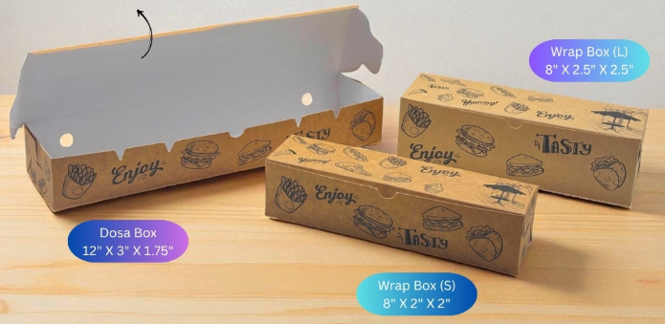
13 | PNS13 | 48191010 |  | Kraft Wrapp Box Small Enjoy 8"X2"X2" (With Inside Lamination) KRAFT WRAP BOX SMALL ENJOY 280G | 2.70 | 2.84 | Pcs | 100 | 5% | SHOP | FM
14 | PNS14 | 48191010 |  | Kraft Wrapp Box Large Enjoy 8"X2.5"X2.5" (With Inside Lamination) KRAFT WRAP BOX LARGE ENJOY 280G | 3.25 | 3.41 | Pcs | 100 | 5% | SHOP | FM
15 | PNS15 |  |  | Kraft Dosa box Enjoy 12"X3"X1.75" (With Inside Lamination) KRAFT DOSA BOX ENJOY 280G | 3.80 | 3.99 | Pcs | 100 | 5% | SHOP | FM
 |  | 48191010 |  | Kraft 4*4*3 ENjoy Box (SNACK BOX) | 3.40 | 3.57 | Pcs | 100 | 5%
 |  | 48191010 |  | Kraft 5*5*3 ENjoy Box (BURGER BOX) | 4.75 | 4.99 | Pcs | 100 | 5%
 |  | 48191010 |  | Kraft 7*5*3 ENjoy Box (SNACK BOX) | 5.40 | 5.67 | Pcs | 100 | 5%
 |  | 48191010 |  | Kraft 9*6*3 ENjoy Box | 8.00 | 8.40 | Pcs | 100 | 5%
16 | PNS16 | 48236900 |  | PNS French Fries Plain Brown (A&M) * 3200Pcs | 1.90 | 2.24 | Pcs | 3200 | 18%
17 | PNS17 | 48191010 |  | KRAFT 3X3X2 WINDOW 280G | 2.50 | 2.63 | Pcs | 500 | 5% | SHOP | FM
18 | PNS18 | 48192020 | 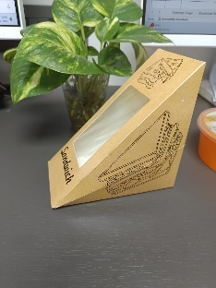 | PNS Window Sandwich Box [VP] *600Pcs | 3.90 | 4.10 | Pcs | 3200 | 5% | SHOP | FM
19 | PNS19 | 48192020 | 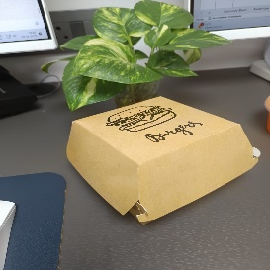 | PNS Small Burger Box (100x100x80mm) [VP]*300Pcs | 4.15 | 4.36 | Pcs | 300 | 5%
20 | PNS20 | 48192020 |  | PNS Big Burger Box (110x110x90mm) [VP]*200Pcs | 4.70 | 4.94 | Pcs | 200 | 5%
21 | PNS21 | 48236900 | 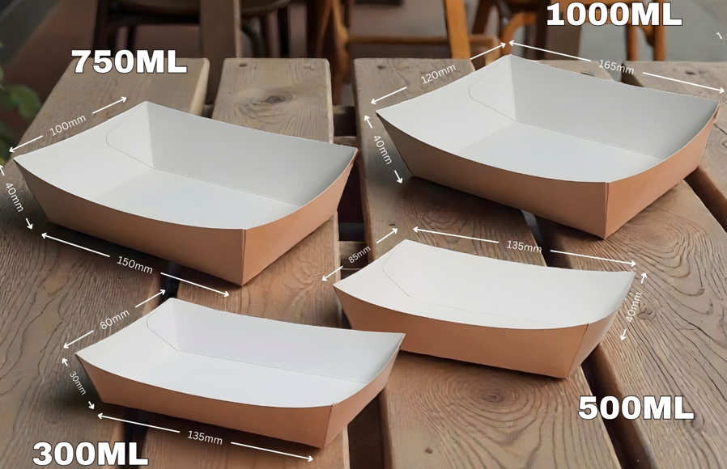 | PNS 300ml Paper Tray [VP] ( 135x80x30mm) *PCS | 2.45 | 2.89 | Pcs | 900 | 18%
22 | PNS22 | 48236900 |  | PNS 500ml Paper Tray [VP] (135x85x40mm) * PCS | 2.80 | 3.30 | Pcs | 900 | 18%
23 | PNS23 | 48236900 |  | PNS 750ml Paper Trays (150x100x)[VP]* PCS | 3.25 | 3.84 | Pcs | 600 | 18%
24 | PNS24 | 48236900 |  | PNS 1000ml Paper Trays (165x120x) [VP] * PCS | 3.55 | 4.19 | Pcs | 300 | 18%
25 | PNS25 | 48236900 |  | PNS Single Waffle Box | 5.35 | 5.62 | Pcs | 1200 | 5%
26 | PNS26 | 48236900 |  | PNS Double Waffle Box | 6.45 | 6.77 | Pcs | 900 | 5%
27 | PNS27 | 48236900 |  | Quick Pack Snack Box | 5.15 | 5.41 | Pcs | 900 | 5%
28 | PNS28 | 48236900 | 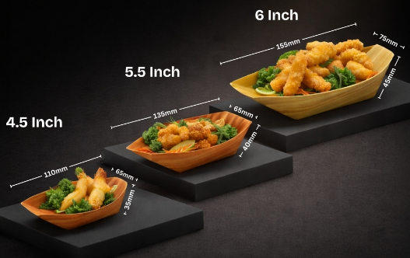 | 4.5 " PNS Paper Boat Tray | 1.15 | 1.36 | Pcs | 8000 | 18%
29 | PNS29 | 48236900 |  | 5.5" PNS Paper Boat Tray | 1.35 | 1.59 | Pcs | 6000 | 18%
30 | PNS30 | 48236900 |  | 6 " PNS Paper Boat Tray | 1.68 | 1.98 | Pcs | 5000 | 18%
31 | PNS31 | 48236900 | 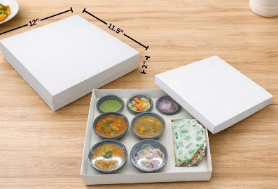 | 8-Cavity Meal Tray Box Kraft/White (300gsm) * 100pcs | 16.00 | 16.80 | Pcs | 100 | 5%
32 | PNS32 | 48236900 | 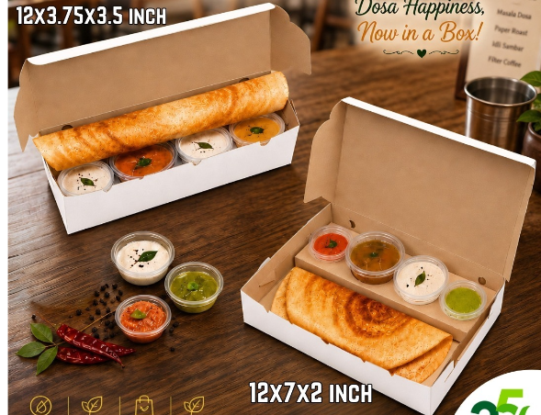 | PNS 12x3.75x3.5 Dosa Box with Insert (White/Kraft) | 12.40 | 13.02 | Pcs | 100 | 5%
33 | PNS33 | 48236900 | 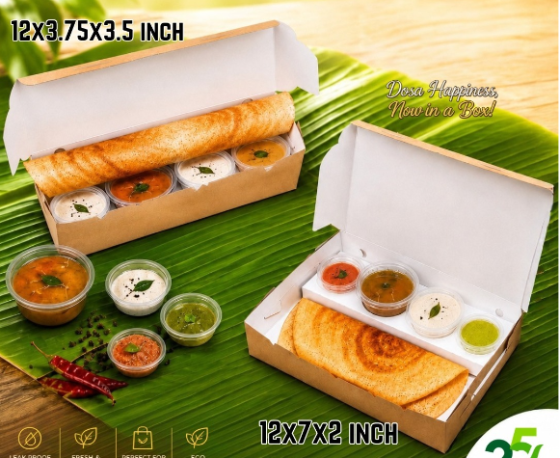 | PNS 12x7x2 Dosa Box with Insert (White/Kraft) | 14.30 | 15.02 | Pcs | 100 | 5%
34 | PNS34 | 48236900 | 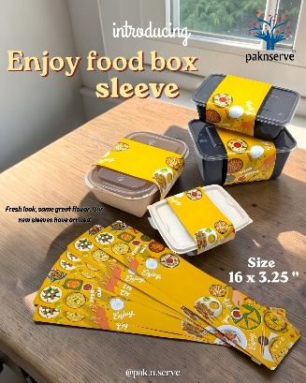 | PNS Sleeves 16 x 3.25 | 2.15 | 2.54 | Pcs | 5000 | 18%
35 |  |  | 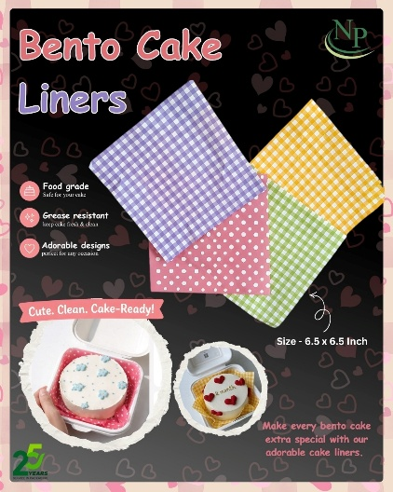 | 6.5x6.5 Ecowrap Printed Checks cut sheet [Purple] * Pcs | 0.50 | 0.59 | Pcs | 500 = 1Pac | 18%
 | PNS30 |  |  | PNS 606030 Prnt Brownie Tray
 | PNS31 |  |  | PNS 906030 RE Prnt Pastry Tray
 |  |  |  | CAKE PASTRY BOARD RD BLACK 3.50X3.50 | 0.90 | 1.06 | Pcs | 5000 | 18%
 |  |  |  | CAKE PASTRY BOARD RT BLACK 3.50X2 | 0.90 | 1.06 | Pcs | 5000 | 18%
 |  |  |  | CAKE PASTRY BOARD TR BLACK 4.50X3 | 0.90 | 1.06 | Pcs | 5000 | 18%
 |  |  |  | CAKE PASTRY BOARD SQ BLACK 3.50X3.50 | 1.40 | 1.65 | Pcs | 5000 | 18%
 |  |  |  | CAKE PASTRY BOARD SQ GOLD 3.50 x 3.50 | 1.40 | 1.65 | Pcs | 5000 | 18%
 |  |  |  | CAKE PASTRY BOARD RT GOLD 3.50 x 2 | 1.00 | 1.18 | Pcs | 5000 | 18%
 |  |  |  | PNS French Fries Medium Pocket Printed (A&M) * 5000Pcs | 1.60 | 1.89 | Pcs | 5000 | 18%
 |  |  |  | 6X6 BOAT TRAY BOAT TRAY BROWN(A&M) * 3200PC

1 |  |  |  | 250ml Spout Pouch[Com Prnt]*1000pcs 12(P)+12(MP)+100(LD) | 4.80 | 5.66 | Pcs | 900 | 18%
2 |  |  |  | 400ml Spout Pouch[Com Prnt]*1000pcs 12(P)+9(AL)+105(LD) | 6.00 | 7.08 | Pcs | 800 | 18%

JP Product
Neeyog Packaging
OFF:20, Gr Floor,Sidhpura Ind.Estate,S.V.Road,Gaiwadi Rd,Near Agilus Diagnostic Center,Goregaon(W),Mum- 062
Phone : 022-28760709 Mobile 9867607003 Email:neeyog@gmail.com
www.neeyog.com/www.indiamart.com/neeyogpackaging/www.facebook.com/neeyogpack
 |  |  |  |  |  |  |  |  |  | Date 16.06.2026
JP Product Price List
...
Sr No | Photos | Item Name | Item Code No | Size in (mm) | Board | Basic | Rate Incl Gst | Box Pack | MOQ Pack
19 |  | 4 cup Holder | JP-30-1402 | 180 x 180 x 50 | Duplex | 6.00 | 6.30 | 500 | 1000
MEAL BOXES
20 |  | 500 ml Meal box | JP-7A-4003 | 95 x 85 x 90 | FBB | 5.9 | 6.195 | 300 | 600
21 |  | 700 ml Meal box | JP-7A-4004 | 130 x 105 x 60 | FBB | 6.15 | 6.4575 | 300 | 600
22 |  | Single Serving Mealbox | JP-29-1305 | 170(l)x180(b)x125(w) | Whiteback | 13.1 | 13.755 | 250 | 250
FRIES SCOOP
23 |  | Fries Scoop (small) | JP-9A-1201 | 80 x 90 | FBB | 2.35 | 2.4675 | 600 | 2400
24 |  | Fries Cone with sauce pocket | JP-9A-1207 | 280x200x165 | FBB | 3.6 | 3.78 | 1000 | 2000
SNACK BOXES
Sr No | Photos | Item Name | Item Code No | Size in (mm) | Board | Basic | Rate Incl Gst | Box Pack | MOQ Pack
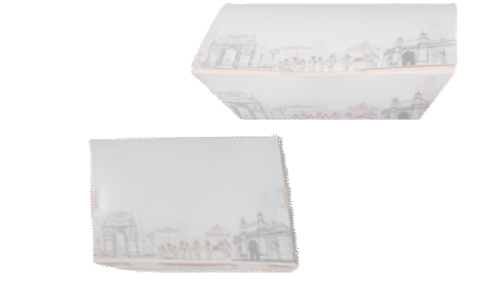
25 |  | Snack Box L.P | JP-2A-2001 | 165 x 110 x 60 | FBB | 5.85 | 6.1425 | 300 | 600
26 |  | Snack Wok Box | JP-2A-2013 | 153 x102 x 43 | FBB | 4.95 | 5.1975 | 300 | 600
27 | 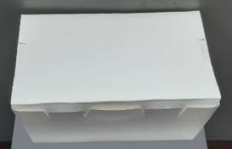 | 250ml White Snack Box | JP-2-2023EW | Top 110x90x40 Bottom90x70x40 | FBB + PE | 3.60 | 3.78 | 850 | 850
28 |  | 500ml White Snack Box | JP-2-2024EW | Top 150x100x40 Bottom 135x85x40 | FBB + PE | 4.30 | 4.515 | 500 | 1000
29 |  | 750ml White Snack Box | JP-2-2025EW | Top170x120x45 Bottom150x100x45 | FBB + PE | 5.55 | 5.8275 | 400 | 800
30 |  | 1000ml White Snack Box | JP-2-2026EW | Top180x135x40 Bottom165x120x40 | FBB + PE | 6.80 | 7.14 | 400 | 800
31 |  | 1250ml White Snack Box | JP-2-2027EW | Top 200x140x50 Bottom180x120x50 | FBB + PE | 7.50 | 7.875 | 400 | 800
SNACK BOXES KRAFT
Sr No | Photos | Item Name | Item Code No | Size in (mm) | Board |  |  | Box Pack | MOQ Pack
32 | 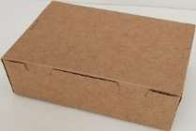 | Snack Box Kraft | JP-2M-2013 | 153 x102 x 43 | Kraft + FGC | 4.6 | 4.83 | 300 | 600
33 |  | 250ml Kraft Snack Box | JP-2-2023EK | Top 110x90x40 Bottom90x70x40 | Kraft +P.E | 3.75 | 3.9375 | 850 | 850
34 |  | 500ml Kraft Snack Box | JP-2-2024EK | Top 150x100x40 Bottom 135x85x40 | Kraft +P.E | 4.2 | 4.41 | 500 | 1000
35 |  | 750ml Kraft Snack Box | JP-2-2025EK | Top170x120x45 Bottom150x100x45 | Kraft +P.E | 5.65 | 5.9325 | 400 | 800
36 |  | 1000ml Kraft Snack Box | JP-2-2026EK | Top180x135x40 Bottom165x120x40 | Kraft +P.E | 7.15 | 7.5075 | 400 | 800
37 |  | 1250ml Kraft Snack Box | JP-2-2027EK | Top 200x140x50 Bottom180x120x50 | Kraft +P.E | 7.6 | 7.98 | 400 | 800
TRAYS IN KRAFT
38 |  | Dip with dip tray medium | JP-5-3025NK | 190 x 95 x 40 | Kraft +P.E | 3.55 | 4.189 | 500 | 1000
39 |  | 250 ml Kraft Tray | JP-5-3032EK | Top-110 x 90 x 40 Bottom -90 x 70 x 40 | Kraft +P.E | 2.3 | 2.714
40 |  | 500 ml Kraft Tray | JP-5-3033EK | Top-150 x 100 x 40 Bottom-135x85x40 | Kraft +P.E | 3 | 3.54
41 |  | 750 ml Kraft Tray | JP-5-3034EK | Top-170x120x45 Bottom-150x100x45 | Kraft +P.E | 3.75 | 4.425
42 |  | 1000 ml Kraft Tray | JP-5-3035EK | Top-180 x 135x 45 Bottom-165x120x45 | Kraft +P.E | 4.35 | 5.133
43 |  | 1250 ml Kraft Tray | JP-5-3036EK | Top-200x140x50 Bottom-180x120x50 | Kraft +P.E | 4.7 | 5.546
TRAYS
Sr No | Photos | Item Name | Item Code No | Size in (mm) | Board
44 |  | Small Wok tray | JP-5A-3005 | 100 x100 x 40 | FBB | 2.7 | 3.186
45 |  | Medium Wok tray | JP-5A-3006 | 144 x 80 x 45 | FBB | 3.05 | 3.599
46 |  | 250 ml White Tray | JP-5-3032EW | Top-110 x 90 x 40 Bottom-90x70x40 | FBB + PE | 2.2 | 2.596
47 |  | 500 ml White Tray | JP-5A-3033EW | Top-150 x 100 x 40 Bottom-135x85x40 | FBB + PE | 2.85 | 3.363
48 |  | 750 ml White Tray | JP-5-3034EW | Top-170x120x45 Bottom-150x100x45 | FBB + PE | 3.6 | 4.248
49 |  | 1000 ml White Tray | JP-5-3035EW | Top-180 x 135x 45 Bottom-165x120x45 | FBB + PE | 4.15 | 4.897
50 |  | 1250 ml White Tray | JP-5-3036EW | Top-200x140x50 Bottom-180x120x50 | FBB + PE | 4.5 | 5.31
51 |  | Stick Tray (Potato Swirls) | JP-5I-3039 | Top-11.25x4.5x2" Bottom-10x3x2" | Duplex with FGC | 4.9 | 5.782
52 |  | Dip-In Tray | JP -5A-3042 | 157 x 95 x 44 | FBB | 4.25 | 5.015
DONER BOXES
53 |  | Doner Box 26 OZ | JP-31E-1502 | 750ml | FBB + PE | 6.2 | 7.316
54 | 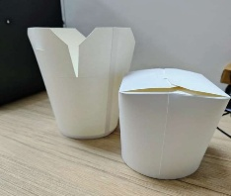 | Doner Box 32 OZ | JP-31E-1503 | 1000ml | FBB + PE | 7.3 | 8.614

PS
NP
Neeyog Packaging |  |  |  |  |  |  | Summary Sheet'
OFF: 20, Gr Floor,Sidhpura Ind.Estate,S.V.Road,Gaiwadi Rd,Near Agilus Diagnostic Center,Goregaon(W),Mum- 062
Phone : 28760709 Mobile 9867607003 Email:neeyog@gmail.com
www.neeyog.com/www.indiamart.com/neeyogpackaging/www.facebook.com/neeyogpack
...
Wholesale PS items Products Price List |  |  | Date 16.06.2026

Sr. No. | PS PRODUCTS (HSN Code - 39249090) | Rate Excl GST | Rate Incl GST | Per | Packing | GST | Primary Godown | Movement
 | NP Products
1 | NP PS 1 SQ Biq 250ml Cup (N25) | 5.15 | 6.08 | Pcs | 1200 | 18% | BN | FM
2 | NP PS 2 Big Triangle Cont 175ml | 4.50 | 5.31 | Pcs | 1200 | 18% | BN | FM
3 | NP PS 3 Triangle Small Cup 60ml | 1.85 | 2.18 | Pcs | 3900 | 18% | BN | FM
...

Carry Bag With Images
NP
NP
NP
Neeyog Packaging
OFF:G20, Gr Floor,Sidhpura Ind.Estate,S.V.Road,Gaiwadi Rd,Near Agilus Diagnostic Center,Goregaon(W),Mum- 062
Phone : 022-28760709 Mobile 9867607003 Email:neeyog@gmail.com
www.neeyog.com/www.neeyog.net/www.indiamart.com/neeyogpackaging/www.facebook.com/neeyogpack
...
Paknserve Paper Bags Price List (Regular)

Sr. No. | HSN Code | Description | Excl. Gst Rate | Incl. Gst Rate | Packing | Unit | Case/Pack | Gst Extra
 |  | Paper Carry Bag (L x W x H) | Plain
1 | 48194000 | 7.5x5x10 Kraft Carry bag 80Gsm | 3.50 | 4.13 | 50Pc | Pcs | 1000 | 18%
2 | 48194000 | 9x6x8.5 Kraft Carry Bag 80Gsm | 3.55 | 4.19 | 50Pc | Pcs | 500 | 18%
...

Carry Bags
NP
NP
Neeyog Packaging
OFF:20, Gr Floor,Sidhpura Ind.Estate,S.V.Road,Gaiwadi Rd,NearAgilus Diagnostic Center,Goregaon(W),Mum- 062
Phone : 022-28760709 Mobile 9867607003 Email:neeyog@gmail.com
www.neeyog.com/www.neeyog.net/www.indiamart.com/neeyogpackaging/www.facebook.com/neeyogpack
...
Packnserve Paper Bags & Pouch Price List |  |  |  |  |  |  |  |  | Date 16.06.2026

Sr. No. | HSN Code | Description | Rate/Pc | Print |  |  |  | Unit | Case/Pack
 |  | Paper Carry Bag (L x W x H) | Plain | 1col | 2Col | 4Col | Patch
1 | 48194000 | 7.5x5x10 Kraft Carry bag 80Gsm | 3.50 | 4.50 | 4.75 | 5.50 | 4.75 | Pcs | 1000
2 | 48194000 | 9x6x8.5 Kraft Carry Bag 80Gsm | 3.55 | 4.55 | 4.80 | 5.55 | 4.80 | Pcs | 500
3 | 48194000 | 11x6x11 Kraft Carry Bag 80Gsm | 4.30 | 5.30 | 5.55 | 6.30 | 5.55 | Pcs | 500
4 | 48194000 | 11x7x10 Kraft Carry Bag 80Gsm | 4.65 | 5.65 | 5.90 | 6.65 | 5.90 | Pcs | 500
...

Insulated bag
NP
Neeyog Packaging
OFF:G20, Gr Floor,Sidhpura Ind.Estate,S.V.Road,Gaiwadi Rd,Near Agilus Diagnostic Center,Goregaon(W),Mum- 062
Phone : 022-28760709 Mobile 9867607003 Email:neeyog@gmail.com
www.neeyog.com/www.neeyog.net/www.indiamart.com/neeyogpackaging/www.facebook.com/neeyogpack

Insulated laminated Bags Price List |  |  |  |  |  |  |  |  | Date 16.06.2026

Sr. No. | HSN Code | Description | Excl. Gst Rate | Incl. Gst Rate | Packing | Unit | Case/Pack | Gst Extra
 |  | Insulated & Laminated Bag (L x W x H)
1 | 39232100 | 5.5x5x8 Pink SI NW Laminated Bags | 11.00 | 12.98 |  | Pcs | 500 | 18%
2 | 39232100 | 8x6x8 SI NW Laminated Bags (Light Blue/Brown/Green/Pink/Yellow) | 13.00 | 15.34 |  | Pcs | 400 | 18%
 |  |  | 11.00 | 12.98 |  | Pcs | 300 | 18% | 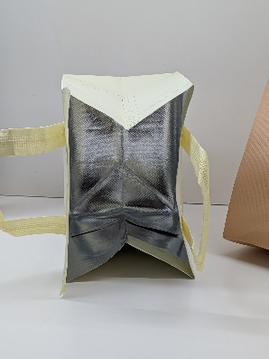
 |  |  | 14.00 | 16.52 |  | Pcs | 250 | 18%
 |  |  | 14.00 | 16.52 |  | Pcs | 350 | 18%
 |  |  | 17.00 | 20.06 |  | Pcs | 250 | 18%
 |  |  | 16.00 | 18.88 |  | Pcs | 250 | 18%

Areca
NP
Neeyog Packaging |  |  |  |  |  |  | summary sheet
OFF:20, Gr Floor,Sidhpura Ind.Estate,S.V.Road,Gaiwadi Rd,NearAgilus Diagnostic Center,Goregaon(W),Mum- 062
Phone : 022-28760709 Mobile 9867607003 Email:neeyog@gmail.com
www.neeyog.com/www.indiamart.com/neeyogpackaging/www.facebook.com/neeyogpack
...
Wholesale Arecaleaf Products Price List |  |  |  |  | Date 16.06.2026
SR No | Description | Rate Excl Gst | Rate Incl Gst | Per Pcs | Std Pack | GST Rate | Primary Godown | Movement
 | Arecaleaf Economical Products (HSN Code 46021990)
1 | 4" SQ Round Areca Domestic Bowl | 3.00 | 3.15 | Per Pcs | 1000 | 5% | Bansi | SM
2 | 4.5 " Round Areca Domestic Bowl | 3.00 | 3.15 | Per Pcs | 1000 | 5% |  | Not in Tally
3 | 5 " Round Areca Domestic Bowl | 4.00 | 4.20 | Per Pcs | 1000 | 5% |  | Not in Tally
4 | 6 " SQ Round Areca Domestic Plate | 4.00 | 4.20 | Per Pcs | 1000 | 5% |  | FM
...

Bio Cutlery
NP
Neeyog Packaging |  |  |  |  |  |  |  | summary sheet
OFF:20, Gr Floor,Sidhpura Ind.Estate,S.V.Road,Gaiwadi Rd,Near Agilus Diagnostic Center,Goregaon(W),Mum- 062
Phone : 022-28760709 Mobile 9867607003 Email:neeyog@gmail.com
www.neeyog.com/www.indiamart.com/neeyogpackaging/www.facebook.com/neeyogpack
...
Wholesale Biodegradable Cutlery, Stirrer, Stick & Straw
Price List |  |  |  |  |  | Date 16.06.2026
SR No | HSN CODE | Description | Rate Excl GST | Rate Incl GST | Unit | Std Pack | GST | Primary Godown | Movement
 |  | Paper Straw
STMA6X8 | 48070010 | Paper Straw 6 MM x197mm x 300gsm | 0.30 | 0.35 | Pcs | 10000 | 18% | MM | FM
STMA8X8 | 48070010 | Paper Straw 8 MM x 197mm x 300gsm | 0.40 | 0.47 | Pcs | 10000 | 18% | MM | FM
STAI12X8 | 48070010 | Paper Straw 10 MM x 197mm x 300gsm | 0.60 | 0.71 | Pcs | 6000 | 18% | MM | FM
STAI10X10 | 48070010 | Paper Straw 10 MM x 250mm x 300gsm | 0.85 | 1.00 | Pcs | 4500 | 18% |  | not in tally
...

Tissue Paper
NP
Neeyog Packaging
OFF:20, Gr Floor,Sidhpura Ind.Estate,S.V.Road,Gaiwadi Rd,Near Agilus Diagnostic Center,Goregaon(W),Mum- 062
Phone : 022-28760709 Mobile 9867607003 Email:neeyog@gmail.com
www.neeyog.com/www.indiamart.com/neeyogpackaging/www.facebook.com/neeyogpack
...
Wholesale Tissue Products Price List |  |  |  |  |  | Date 16.06.2026
SR No | HSN Code | Description | Rate Excl GST/Pack | Rate Incl GST | Pac/Pcs | Std Pack | MOQ For Printing | Unit | GST
 |  | Tissue, Toilet , Kitchen , JRT & HRT Rolls
1 | 48183000 | 9" X 9" 1 Ply Chapati Tissue - 600Pcs (100*6) | 120.00 | 141.60 | 600 | 21 |  | Pac | 18%
2 | 48183000 | 9" X 9" x15Gsm Soft Tissue Plain | 17.00 | 20.06 | 100 | 60 |  | Pac | 18%
3 | 48183000 | 9" X 9" x15Gsm Soft Tissue (1Col) | 18.00 | 21.24 | 100 | 500 |  | Pac | 18%
4 | 48183000 | 11" X 11" 1 Ply Hotel Tissue - 80 Pulls (10*1) | 130.00 | 153.40 | 600 | 12 |  | Pac | 18%
5 | 48183000 | 11" X 12" x15Gsm Soft Tissue Plain | 21.00 | 24.78 | 100 | 35 |  | Pac | 18%
...

Pizza Boxes
NP
Neeyog Packaging
OFF:20, Gr Floor,Sidhpura Ind.Estate,S.V.Road,Gaiwadi Rd,Near Agilus Diagnostic Center,Goregaon(W),Mum- 062
Phone : 022-28760709 Mobile 9867607003 Email:neeyog@gmail.com
www.neeyog.com/www.indiamart.com/neeyogpackaging/www.facebook.com/neeyogpack
...
Pizza Boxes Price & cake Boxes List
HSN CODE - 48191010

PIZZA BOX SIZE | 6" std | 7" std | 8" std | 9" std | 10" std | 11" std | 12" std | 13" std
Box Pack in Pcs | 100 | 100 | 100 | 100 | 50 | 50 | 50 | 50

GG PRINTED + WHITE | 5.85 | 6.65 | 8.30 | 9.20 | 11.55 |  | 15.70 | 19.35
...

Thalia & Cake
NP
 |  |  |  |  |  |  |  |  | summary sheet
...
THALIA & CAKE, BURGER, SANDWICH & PIZZA BOXES |  |  |  |  |  |  | 22.09.2025
SR. NO. | GSM | DESCRIPTION | APPLICATION | RATE | RATE WITH GST | PER | STD PACK | GST
 |  | ITC BROWINE / CUP CAKE BOXES (HSN Code - 48192020) |  |  |  |  |  |  | Primary Godown
1 | 280 | ITC 3X3X2 Window | 1 BROWINE | 3.00 | 3.15 | Pcs | 100 | 5%
2 | 320 | ITC 6X3X2 WINDOW 2BROWNIE 320G | 2 BROWINE | 5.50 | 5.78 | Pcs | 100 | 5% | SH
3 | 320 | ITC 6X6X2 Window | 4 BROWINE | 6.75 | 7.09 | Pcs | 100 | 5% | SH
4 | 350 | ITC 9X6X2 Window | 6 BROWINE | 8.00 | 8.40 | Pcs | 100 | 5%
5 | 280 | ITC 3X3X4 Window +Insert 1Cupcake 280G * 1000Pcs | 1CUPCAKE | 5.50 | 5.78 | Pcs | 100 | 5% | SH
...

Recyclable Containers
NP
Neeyog Packaging |  |  |  |  |  |  |  | Summary Sheet'
OFF:20, Gr Floor,Sidhpura Ind.Estate,S.V.Road,Gaiwadi Rd,Near Agilus Diagnostic Center,Goregaon(W),Mum- 062
Phone : 022-28760709 Mobile 9867607003 Email:neeyog@gmail.com
www.neeyog.com/www.indiamart.com/neeyogpackaging/www.facebook.com/neeyogpack
Wholesale Recyclable Containers Price List |  |  |  |  | Date 16.06.2026
SR No | Image | Description | Rate Excl Gst | Rate Incl Gst | Per Pcs | Std Pack | GST Rate | Primary Godown | Movement
 |  | SAUCE CUP FLAT
1 |  | 1OZ SD 25ml (Hinged) PP Food Cont Trans (AL) | 0.68 | 0.80 | Pcs | 5000 | 18% | VP | FM
2 |  | 2OZ SD 60ml (Hinged) PP Food Cont Trans (AL) | 1.15 | 1.36 | Pcs | 3000 | 18% | VP | FM
 |  | SAUCE CUP FLAT
1 |  | 1OZ BS 25ml (Hinged) PP Food Cont Trans (AL) * 4800pcs | 0.58 | 0.68 | Pcs | 4800 | 18% | VP | FM
2 |  | 2OZ BS 50ml (Hinged) PP Food Cont Trans (AL) * 2400pcs | 1.10 | 1.30 | Pcs | 2400 | 18% | VP | FM
 |  | Food Cont 2CP (Microwaveable) -NP (HSN Code 39233090)
...

Sipper Container
NP
Neeyog Packaging
OFF:- G20 Sidhpura Ind Estate, Near SRL Diagnostic Centre, SV Road, Goregaon West , Mumbai 400062
Phone : 022-28760709/42667003 Mob: 7045402654 Email:neeyog@gmail.com
www.neeyog.com/www.indiamart.com/neeyogpackaging/www.facebook.com/neeyogpack

Paknserve Sipper Container Price List |  |  |  |  |  |  |  | Date 25-05-2026

Sr. No. | HSN Code | Description | Excl. Gst Rate | Incl. Gst rate | Unit | Std. Pack. | GST Extra | Image
Paknserve Sipper Container With Black Lid (80 & 90Dia)
1 | 39233090 | 250ML Paknserve Sipper Cont with Black lid (80Dia) | 3.10 | 3.66 | Pcs | 1000 | 18% | 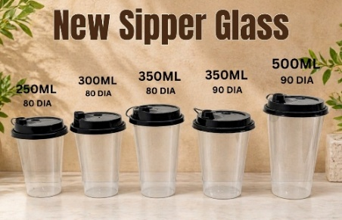
2 | 39233090 | 300ML Paknserve Sipper Cont with Black lid (80Dia) | 3.40 | 4.01 | Pcs | 1000 | 18%
 |  | 350ML Paknserve Sipper (Flat) Cont with Black lid (80Dia) | 3.85 | 4.54 | Pcs | 1000 | 18%
 |  | 350ML Paknserve Sipper (Flat) Cont with Black lid (90Dia) | 4.00 | 4.72 | Pcs | 1000 | 18%
 |  | 500ML Paknserve Sipper (Flat) Cont with Black lid (90Dia) | 5.00 | 5.90 | Pcs | 1000 | 18%
 |  | Sipper Cont Black lid only for 250/300ml (80Dia) | 1.05 | 1.24 | Pcs | 4000 | 18%
 |  | Sipper Cont Black lid only for 350/500ml (90Dia) | 1.25 | 1.48 | Pcs | 4000 | 18%
 |  | Colour Lids (80/90) for Sipper Cups Shall Be @0.10 extra (White/Black & clear will be Considered as Regular)
 |  | Available Colour are Red,green,Orange,Purple,Blue,Pink. Any New colour will require MOQ of 1lakh pcs
...
 |  | 250ML Paknserve Sipper Cont with Flat lid (80Dia) | 2.65 | 3.13 | Pcs | 1000 | 18%
...
 |  | 500ml Paknserve Sipper Cont with Flip Top lid (90D) (False Bottom) | 6.95 | 8.20 | Pcs | 1000 | 18%
 |  | 90D Flip Top Sipper lid (Black /Red/White)for 250/300/350/500ml | 3.10 | 3.66 | Pcs | 4000 | 18%
 |  | Paknserve 90Dia False bottom With Sipper Lid (Clear / Frosted) / Black Series
 |  | 350ml Paknserve Frosted Trans Sipper Cont with Black lid (90D) | 4.10 | 4.84 | Pcs | 1000 | 18%
 |  | 500ml Paknserve Frosted Trans Sipper Cont with Black lid (90D) | 5.10 | 6.02 | Pcs | 1000 | 18%
 |  | 500ml (90D) Paknserve Party Sipper Cont with Black lid (Black/ Frosted/Glossy) | 4.50 | 5.31 | Pcs | 1000 | 18%
 |  | 90D Sipper lid (Black/Clear)for 350/500ml | 1.25 | 1.48 | Pcs | 4000 | 18%
 |  | 90D Sipper lid (Color)for 350/500ml | 1.35 | 1.59 | Pcs | 4000 | 18%
 |  | Paknserve Freyo Tower with Reusable Glass |  |  |  |  |  | New Arrival
 |  | Freyo Tower | 4.50 | 5.31 | Pcs | 750 | 18%
 |  | 250ML Paknserve Reusable Cup With Tower (80Dia) | 6.55 | 7.73 | Pcs | 3000 | 18% | 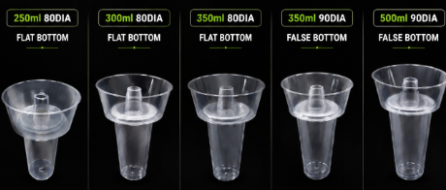
 |  | 300ML Paknserve Reusable Cup With Tower (80Dia) | 6.85 | 8.08 | Pcs | 3000 | 18%
 |  | 350ml Paknserve Reusable Cup With Tower (80Dia) | 7.30 | 8.61 | Pcs | 3000 | 18%
 |  | 350ml Paknserve Reusable Cup With Tower (90Dia) False Bottom | 7.35 | 8.67 | Pcs | 1000 | 18%
 |  | 500ml Paknserve Reusable Cup With Tower (90Dia) False Bottom | 8.35 | 9.85 | Pcs | 1000 | 18%
 |  | SQ Lassi Cup With Lid |  |  |  |  |  | New Arrival
 |  | 200ml WC SQ Container (White) with Transparent Lid (WL) | 3.65 | 4.31 | Pcs | 2000 | 18%
...

Pet Bottle & Jar
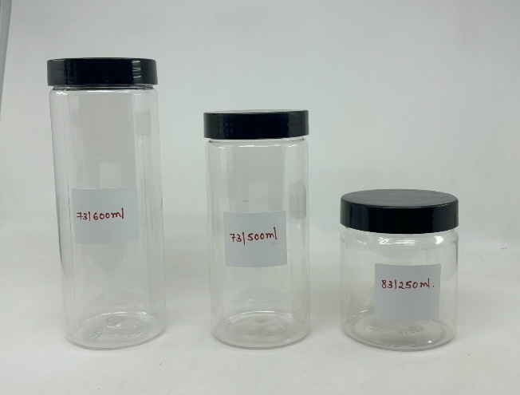
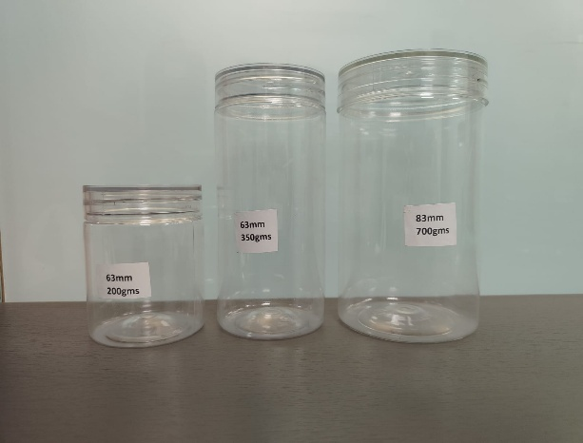
Neeyog Packaging
OFF:20, Gr Floor,Sidhpura Ind.Estate,S.V.Road,Gaiwadi Rd,Near Agilus Diagnostic Center,Goregaon(W),Mum- 062
Phone : 022-28760709 Mobile 9867607003 Email:neeyog@gmail.com
www.neeyog.com/www.indiamart.com/neeyogpackaging/www.facebook.com/neeyogpack

Wholesale Pet Bottle & Jar Containers Price List |  |  |  |  | Date 16.06.2026
SR No | Image | Description | Rate Excl Gst | Rate Incl Gst | Per Pcs | Std Pack | GST Rate
 |  | Ushape Pet Glasses
1 | 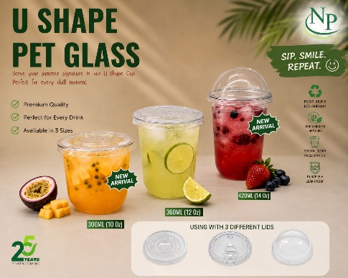 | 300ML RP 92Dia U Shape Sipper (OB)* 1800 Pcs | 2.30 | 2.71 | Pcs | 1800 | 18%
2 |  | 350ML RP 92Dia U Shape Sipper (OB)* 1800 Pcs | 2.70 | 3.19 | Pcs | 1800 | 18%
3 |  | 420ML RP 92Dia U Shape Sipper (OB)* 1800 Pcs | 3.10 | 3.66 | Pcs | 1800 | 18%

1 |  | 1232 92D ORA PET SIPPER LID*3600Pcs | 1.05 | 1.24 | Pcs | 3600 | 18%
2 |  | 1233A 92 Dia ORA Flat Lid Straw cut * 7200Pcs | 0.71 | 0.84 | Pcs | 7200 | 18%
3 |  | 1234A 92 Dia ORA Dome Lid Straw cut * 5400Pcs | 0.90 | 1.06 | Pcs | 5400 | 18%
 |  | PET Bottle With Lid (HSN Code 39233090) | Rate Excl Gst | Rate Incl Gst | Per Pcs | Std Pack | GST Rate
1 |  | 250ml SQ Pet Bottle AF (OB) (38D-16gm) * 135pc | 5.05 | 5.96 | Pcs | 135/10Bag | 18%
2 |  | 300ml RD Pet Bottle AF (OB) (38D-15gm) * 112pc | 5.05 | 5.96 | Pcs | 112/10Bag | 18%
3 |  | 200ml SQ Pet Bottle AF (OB) (38D-19gm) * 170pc | 6.00 | 7.08 | Pcs | 170/10Bag | 18%
...
1 |  | 200 ML Pet Jar (OB) (20) | 6.50 | 7.67 | Pcs | 284Pcs | 18%
2 |  | 300 ML Pet Round Jar AF (OB) (20) * 450pcs | 7.30 | 8.61 | Pcs | 450Pcs | 18%
3 |  | 200/300ML Pet Jar Cap AF (7.3) [Black] * 1000pcs | 2.80 | 3.30 | Pcs | 1000Pcs | 18%
 |  | Pet Salsa Jar With Cap (HSN Code 39233090)
1 |  | WM 200ml Pet Lug Jar OB (63D) *Pcs | 7.85 | 9.26 | Pcs | 400 | 18%
2 |  | KMW 63D Golden Lug Cap For 200ml Pet Jar | 3.20 | 3.78 | Pcs | 400 | 18%
3 |  | WM 350ml Pet Lug Jar OB (83D) *Pcs | 9.50 | 11.21 | Pcs | 300 | 18%
4 |  | KMW 82D Golden Lug Cap For 350ml Pet Jar | 4.00 | 4.72 | Pcs | 300 | 18%
 |  | Pet Bamboo Jar | Jar Rate | Trasparant | Plastics | Aluminium | Wad
 |  | 53 Dia Pet Jar |  | Pet Cap | Cap | Cap
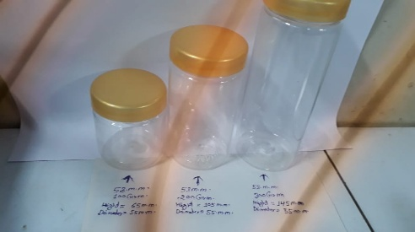
1 |  | 53/100gm Pet jar 15gm+ 1gm | 5.50 | 4.20 | 1.90 | 5.75 | 0.90
2 |  | 53/200gm Pet jar 18gm+ 1gm | 6.40 | 4.20 | 1.90 | 5.75 | 0.90
3 |  | 53/300gm Pet jar 22gm+ 1gm | 6.90 | 4.20 | 1.90 | 5.75 | 0.90
 |  | 63 Dia Pet Jar
1 | 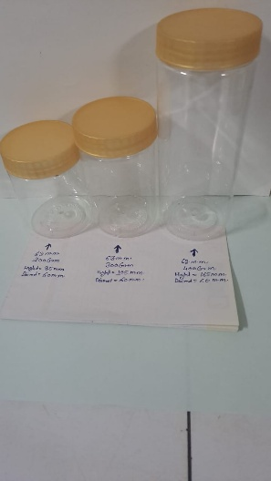 | 63/200gm Pet jar 18gm+ 1gm | 6.40 | 5.00 | 2.25 | 6.25 | 1.15
2 |  | 63/300gm Pet jar 18gm+ 1gm | 6.40 | 5.00 | 2.25 | 6.25 | 1.15
3 |  | 63/350gm Pet jar 26gm+ 1gm | 7.75 | 5.00 | 2.25 | 6.25 | 1.15
4 |  | 63/400gm Pet Jar 26gm+ 1gm | 7.75 | 5.00 | 2.25 | 6.25 | 1.15
 |  | 73 Dia Pet Jar
1 | 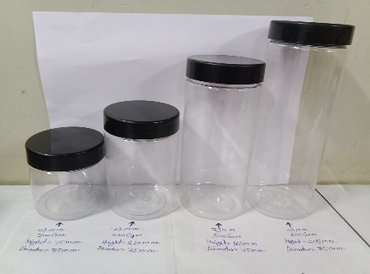 | 73/300gm pet jar 20gm+ 1gm | 7.75 | 6.25 | 3.15 | 8.50 | 1.75
2 |  | 73/400gm pet jar 35gm+ 1gm | 13.15 | 6.25 | 3.15 | 8.50 | 1.75
3 |  | 73/500gm pet jar 50gm+ 1gm | 17.5 | 6.25 | 3.15 | 8.50 | 1.75
4 |  | 73/600gm pet jar 50gm+ 1gm | 17.5 | 6.25 | 3.15 | 8.50 | 1.75
 |  | 83 Dia Pet Jar
1 | 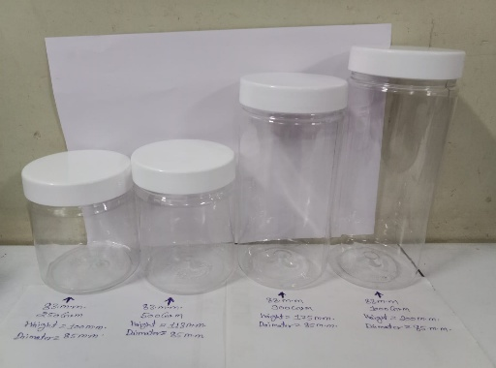 | 83/400gm pet jar 28gm+ 1gm | 10.65 | 6.65 | 3.50 | 10.00 | 2.20
2 |  | 83/500gm pet jar 28gm+ 1gm | 10.65 | 6.65 | 3.50 | 10.00 | 2.20
3 |  | 83/700gm pet jar 38gm+ 1gm | 14.50 | 6.65 | 3.50 | 10.00 | 2.20
4 |  | 83/900gm pet jar 50gm+ 1gm | 18.15 | 6.65 | 3.50 | 10.00 | 2.20
5 |  | 83/1000gm pet jar 50gm+ 1gm | 18.15 | 6.65 | 3.50 | 10.00 | 2.20
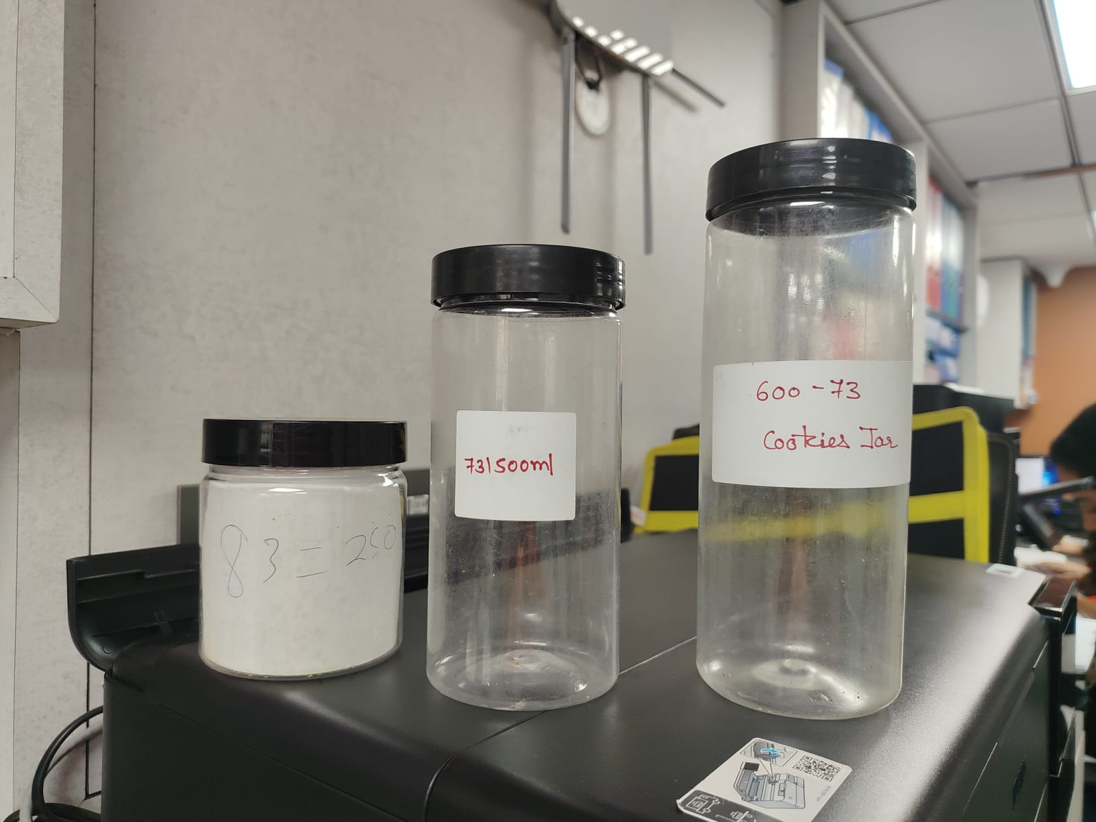
 |  | 83 Dia CRV Pet Jar (U Shape )

1 | 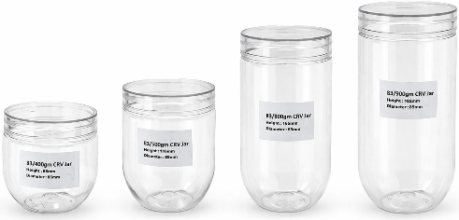 | 83/400gms 32gm + 1gm | 13.20 | 6.65 | 3.50 | 10.00 | 2.15
2 |  | 83/500gms 32gm + 1gm | 13.20 | 6.65 | 3.50 | 10.00 | 2.15
3 |  | 83/800gms 38gm + 1gm | 14.40 | 6.65 | 3.50 | 10.00 | 2.15
4 |  | 83/900gms 38gm + 1gm | 14.40 | 6.65 | 3.50 | 10.00 | 2.15
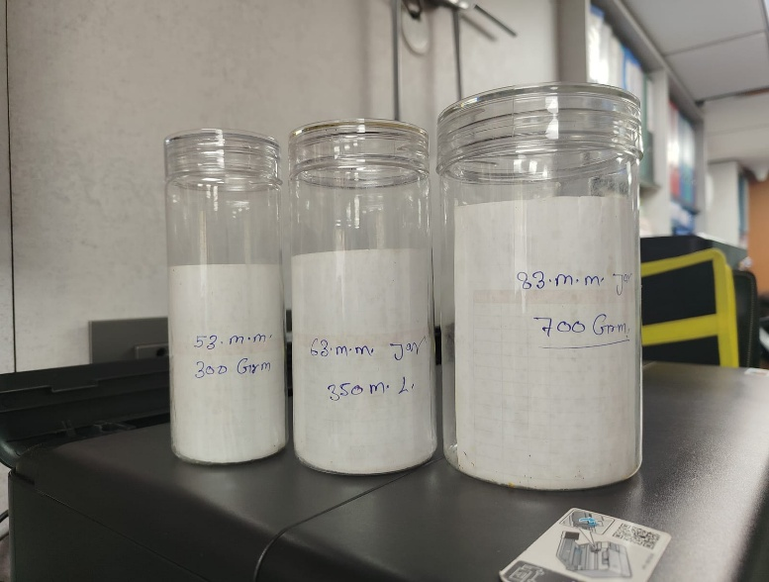
Note:
The PET Jar rates are per piece, and GST will be applicable extra at 18%
MOQ Required 1000Pcs Minimum

IML CM
NP
Neeyog Packaging
OFF:20, Gr Floor,Sidhpura Ind.Estate,S.V.Road,Gaiwadi Rd,Near Agilus Diagnostic Center,Goregaon(W),Mum- 062
Phone : 022-28760709 Mobile 9867607003 Email:neeyog@gmail.com
www.neeyog.com/www.indiamart.com/neeyogpackaging/www.facebook.com/neeyogpack
...
Pricing for IML Products

Product | Plain | 10K | 25K | 50K | Std Pack | Rate Per | GST Extra | Primary Godown | Movement
Round Container
125 ml | 2.80 | 6.15 | 4.95 | 4.15 | 1540 | Pcs | 18% |  | APO
500 ml ( Sealable) | 3.65 | 7.30 | 6.00 | 5.45 | 1000 | Pcs | 18% |  | APO
500 ml ( LID) | 4.95 | 8.75 | 7.30 | 6.90 |  | Pcs | 18% |  | APO
Twist Pack Container

 |  |  |  |  | 1500 | Pcs | 18% |  | APO
 |  |  |  |  |  | Pcs | 18% |  | APO
 |  |  |  |  |  | Pcs | 18% |  | APO
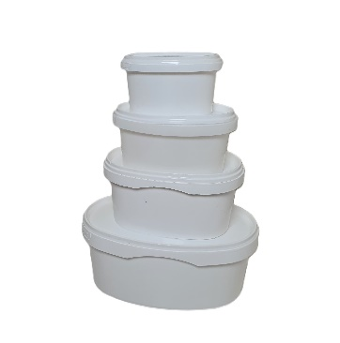
...
 |  |  |  |  | 1200 | Pcs | 18% |  | APO
 |  |  |  |  | 750 | Pcs | 18% |  | APO
 |  |  |  |  | 500 | Pcs | 18% |  | APO
 |  |  |  |  | 300 | Pcs | 18% |  | APO
...
 |  |  |  |  | 300 |  | 18% |  | APO
...
 |  |  |  |  | 304 | Pcs | 18% |  | APO
 |  |  |  |  | 300 | Pcs | 18% |  | APO
 |  |  |  |  |  | Pcs | 18% |  | APO

Dalfo Temper Proof
...
Neeyog Packaging
2 |  | 2OZ 50ml (Hinged) PP Food Cont Trans (DALFO) * 4000pcs | 1.10 | 1.30 | Pcs | 4000 | 18%

ROUND SERIES WITH LID - S080 (N/B/W)(HSN Code 39249090)
1 |  | 100ml Round DALFO PP Food Cont / Lid Trans * 2000pc | 1.52 | 1.79 | Pcs | 2000 | 18%

ROUND TALL SERIES WITH LID (TAMPER LOCK) - T0110 (Black/Natura/White) (HSN Code 39249090)
1 |  | 250ml Round TE Tall DALFO PP Food Cont / Lid Trans * 500pc | 4.30 | 5.07 | Pcs | 500 | 18%
2 |  | 400ml Round TE Tall DALFO PP Food Cont / Lid Trans * 500pc | 5.10 | 6.02 | Pcs | 500 | 18%
3 |  | 500ml Round TE Tall DALFO PP Food Cont / Lid Trans * 500pc | 5.55 | 6.55 | Pcs | 500 | 18%
ROUND NORMAL SERIES WITH LID (TAMPER LOCK) - N0121 (Black/Natura/White) (HSN Code 39249090)
1 | 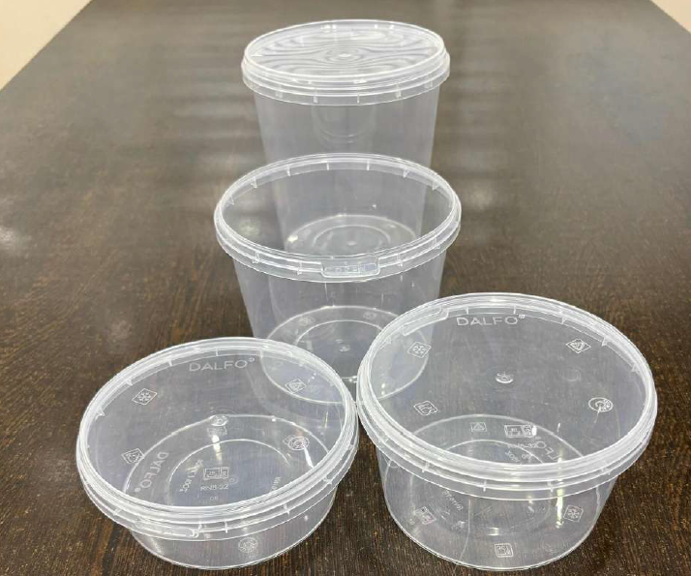 | 300ml Dalfo TE Round Trans Cont/Trans Lid * 500Pcs | 4.80 | 5.66 | Pcs | 500 | 18%
2 |  | 500ml Dalfo TE Round Trans Cont/Trans Lid * 500Pcs | 5.50 | 6.49 | Pcs | 500 | 18%
3 |  | 750ml Dalfo TE Round Trans Cont/Trans Lid * 500Pcs | 6.85 | 8.08 | Pcs | 500 | 18%
4 |  | 1000ml TE ROUND DALFO PP Food Cont / Lid Trans * 500pc | 8.35 | 9.85 | Pcs | 500 | 18%
ROUND FLAT SERIES WITH LID (TAMPER LOCK) - F0145 (N/B/W)
1 |  | 750ml TE Flat DALFO RD Cont / Lid Trans * 500pc | 7.70 | 9.09 | Pcs | 500 | 18%
2 |  | 1000ml TE Flat DALFO RD Cont/ Lid Trans * 500pc | 9.15 | 10.80 | Pcs | 500 | 18%
RECTANGLE SERIES WITH LID - (N/B/W) (HSN Code 39249090)
1 |  | 500ml DF Rect PP Food Cont Black / Lid Trans * 500pcs | 5.45 | 6.43 | Pcs | 500 | 18%
2 |  | 650ml DF Rect PP Food Cont Black / Lid Trans * 500pcs | 5.85 | 6.90 | Pcs | 500 | 18%
3 |  | 750ml DF Rect PP Food Cont Black / Lid Trans * 500pcs | 6.10 | 7.20 | Pcs | 500 | 18%
...

Well Pet
NP
Neeyog Packaging |  |  |  |  |  |  |  | Summary Sheet'
OFF:20, Gr Floor,Sidhpura Ind.Estate,S.V.Road,Gaiwadi Rd,Near Agilus Diagnostic Center,Goregaon(W),Mum- 062
Phone : 022-28760709 Mobile 9867607003 Email:neeyog@gmail.com
www.neeyog.com/www.indiamart.com/neeyogpackaging/www.facebook.com/neeyogpack
...
Wellpet Product Hinged Boxes |  |  |  |  | Date 16.06.2026
Product code | HSN CODE |  | BASIC | Rate Incl Gst | Per Pcs | Std Pack | GST Rate | Primary Godown
 |  | WELLPET HINGED BOXES
1002 |  | 35CC HINGE (SAUCE CUP) | 0.52 | 0.61 | Pcs | 6000 | 18%
1004 |  | 100CC HINGE CONTAINER | 1.22 | 1.44 | Pcs | 2400 | 18%
1003 |  | 150CC HINGE CONTAINER | 1.82 | 2.15 | Pcs | 1800 | 18%
1005 |  | 250CC HINGE CONTAINER | 2.42 | 2.86 | Pcs | 1500 | 18%
1005A |  | 250CC HINGE CONTAINER(HIGH LID) | 2.42 | 2.86 | Pcs | 1500 | 18%
...

Oracle
NP
NP
Neeyog Packaging
OFF:20, Gr Floor,Sidhpura Ind.Estate,S.V.Road,Gaiwadi Rd,Near Agilus Diagnostic Center,Goregaon(W),Mum- 062
Phone : 022-28760709 Mobile 9867607003 Email:neeyog@gmail.com
www.neeyog.com/www.indiamart.com/neeyogpackaging/www.facebook.com/neeyogpack
...
Oracle Pricelist |  |  |  | Date 16.06.2026
Product code |  | Basic | Rate Incl Gst | Per Pcs | Std Pack | GST Rate | Primary Godown
 | PET BOXES (HSN Code 39239090)
1401 | 1401 ORA PET BURGER BOX SMALL | 2.33 | 2.75 | Pcs | 1500 | 18% | BW
1402 | 1402 ORA PET BURGER BOX BIG | 3.15 | 3.72 | Pcs | 1500 | 18% | BW
1403 | S-28 SANDWICH BOX SMALL | 2.35 | 2.77 | Pcs | 1400 | 18%
1404 | S-27 SANDWICH BOX MED | 3.15 | 3.72 | Pcs | 1260 | 18% | BW
 | PP SAUCE CUP (HSN Code 39239090)
...
 | HINGED BOXES RT. (1701) (HSN Code - 39239090)
CODE | CORNSTARCH RT & ROUND CONTAINER WITH LID
7063 | 350 ML ROUND CONTAINER WITH LID | 4.20 | 4.96 | Pcs | 800 | 18%
7065 | 500 ML ROUND CONTAINER WITH LID | 5.35 | 6.31 | Pcs | 800 | 18%
7084 | 500 ML RT CONTAINER WITH LID | 6.20 | 7.32 | Pcs | 600 | 18%
7086 | 750 ML RT CONTAINER WITH LID | 6.90 | 8.14 | Pcs | 600 | 18%
7087 | 1000 ML RT CONTAINER WITH LID | 7.65 | 9.03 | Pcs | 600 | 18%
CODE | CORNSTARCH Cutlery
7054 | 140 MM SPOON | 0.95 | 1.12 | Pcs | 3600 | 18%
7055 | 7055 160mm ORA Cornstarch Spoon *3000Pcs | 1.22 | 1.44 | Pcs | 3000 | 18%
7056 | 7056 160mm ORA Cornstarch Fork *3000Pcs | 1.22 | 1.44 | Pcs | 3000 | 18%
New Arrival | 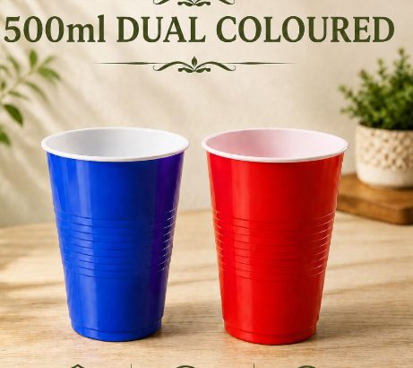 Coloured Container
5336D | 500ml DUAL COLORED CONTAINER (90Dia) | 2.65 | 3.13 | Pcs | 2500 | 18%
KB Products (Selable LID Tray)
Sr. No. | Description (HSN Code - 39239090) | Basic Rate | Rate Incl GST | PER | PACKING | GST
1 | 137x102 250gm KB RT PP LID * 3200pcs | 1.55 | 1.83 | Pcs | 3200 | 18% | VP
2 | 190x140 KB PP Lid Only (12gm) *pcs | 2.70 | 3.19 | Pcs | 2000 | 18% | VP
...

AVI
NP
Neeyog Packaging |  |  |  |  |  |  |  | summary sheet
OFF:20, Gr Floor,Sidhpura Ind.Estate,S.V.Road,Gaiwadi Rd,Near Agilus Diagnostic Center,Goregaon(W),Mum- 062
Phone : 022-28760709 Mobile 9867607003 Email:neeyog@gmail.com
www.neeyog.com/www.indiamart.com/neeyogpackaging/www.facebook.com/neeyogpack
...
AVI Global Price list |  |  |  |  | Date 16.06.2026

Sr No | PRODUCT CODE | VOLUME | BASIC PRICE PER | Rate Incl Gst | Per | Std Pack | GST Rate
Square Lid Containers
1 | AT 114/46 with lid | 8 oz | 3.90 | 4.60 | Pcs | 1000 | 18%
2 | AT 114/58 with lid | 12 oz | 4.35 | 5.13 | Pcs | 1000 | 18%
3 | AT 114/82 with lid | 18 oz | 5.30 | 6.25 | Pcs | 1000 | 18%
4 | AT 114/112 with lid | 26 oz | 6.35 | 7.49 | Pcs | 1000 | 18%
...

Abhinav
NP
Neeyog Packaging |  |  |  |  |  |  | Summary sheet
OFF:20, Gr Floor,Sidhpura Ind.Estate,S.V.Road,Gaiwadi Rd,Near Agilus Diagnostic Center,Goregaon(W),Mum- 062
Phone : 022-28760709 Mobile 9867607003 Email:neeyog@gmail.com
www.neeyog.com/www.indiamart.com/neeyogpackaging/www.facebook.com/neeyogpack
 |  |  |  |  | Date 16.06.2026
BIO CUP - REGULAR
Dia | Description | Rate Excl Gst | Rate Incl Gst | Rate Per | Std Pack | GST Rate | Primary Godown | Movement
80 | 100 ML P | 52.00 | 61.36 | 100 Pcs | 4200 | 18% |  | APO
80 | 200 ML P | 71.00 | 83.78 | 100 Pcs | 4200 | 18% |  | APO
80 | 250 ML P | 76.00 | 89.68 | 100 Pcs | 4200 | 18% |  | APO
80 | 300 ML P | 90.00 | 106.20 | 100 Pcs | 4200 | 18% |  | APO
80 | 300 ML ICE CUP | 87.00 | 102.66 | 100 Pcs | 4200 | 18% |  | APO
...

Talash
NP
Neeyog Packaging |  |  |  |  |  |  | summary sheet
OFF:20, Gr Floor,Sidhpura Ind.Estate,S.V.Road,Gaiwadi Rd,Near Agilus Diagnostic Center,Goregaon(W),Mum- 062
Phone : 022-28760709 Mobile 9867607003 Email:neeyog@gmail.com |  |  |  |  |  |  |  |  | New Launch
www.neeyog.com/www.indiamart.com/neeyogpackaging/www.facebook.com/neeyogpack |  |  |  |  |  |  |  |  | FM
 |  |  |  |  |  |  |  |  | LS
Wholesale Talash Price List |  |  | Date 16.06.2026 |  |  |  |  |  | APO
SR No | HSN CODE | Talash Products | Rate Excl of GST | Rate lncl of GST | Unit | Std Pack | Primary Godown | Movement
 |  | MEAL TRAYS (MICROWAVEABLE)
1 | 39239090 | Talash 2CP | 9.50 | 11.21 | PCS | 450 |  | APO
2 | 39239090 | 3CP TALASH PP Maharaja Breakfast Cont * 450pc | 10.75 | 12.68 | PCS | 600 | MM | FM
3 | 39239090 | Talash Ex-Lunch Tray + Lid (6 cmp) | 14.25 | 16.81 | PCS | 350 |  | APO
4 | 39239090 | 8CP TALASH PP Superb Lunch Cont * 160pc | 20.50 | 24.19 | PCS | 160 | MM | FM
...

Pulp Tray
NP
Neeyog Packaging |  |  |  |  |  |  | summary sheet
OFF:G20, Gr Floor,Sidhpura Ind.Estate,S.V.Road,Gaiwadi Rd,Near Agilus Diagnostic Center,Goregaon(W),Mum- 062
Phone : 022-28760709 Mobile 9867607003 Email:neeyog@gmail.com
www.neeyog.com/www.indiamart.com/neeyogpackaging/www.facebook.com/neeyogpack
...
 |  |  |  | Date 16.06.2026
SR No | Description of Products (HSN Code 48237010) | Rate Excl of GST | Rate lncl of GST | Unit | Std Pack | GST | Primary Godown | Movement
Eggs per tray | EGG TRAY
30 | 14lbs 292x292x45 | 815.00 | 855.75 | 140Pcs | 140Pcs | 5% |  | NOT IN TALLY
55 | 15 1/2lbs 292x292x47 | 825.00 | 866.25 | 140Pcs | 140Pcs | 5% |  | NOT IN TALLY
30 | 17lbs 310x310x51 | 825.00 | 866.25 | 140Pcs | 140Pcs | 5% |  | NOT IN TALLY
30 | 20lbs 310x310x51 | 730.00 | 766.50 | 100Pcs | 100Pcs | 5% |  | NOT IN TALLY
...

Other Generic
NP
Neeyog Packaging |  |  |  |  |  |  |  | Summary sheet
OFF:20, Gr Floor,Sidhpura Ind.Estate,S.V.Road,Gaiwadi Rd,Near Agilus Diagnostic Center,Goregaon(W), Mum- 062
Phone : 022-28760709 Mobile 9867607003 Email:neeyog@gmail.com
www.neeyog.com/www.indiamart.com/neeyogpackaging/www.facebook.com/neeyogpack
...
Wholesale Generic items Products Price List |  |  |  |  |  | Date 16.06.2026
SR NO | HSN CODE | ITEM | Rate Excl GST | Rate Incl GST | STD PACK | Per | GST | Primary Godown | Movement
 |  | Catering Table Roll
1 | 39201092 | Imported Table Roll Plain White | 145.00 | 171.10 | KG | KG | 18% | VP | LS
2 | 39201092 | Imported Table Roll Plain Printed | 170.00 | 200.60 | KG | KG | 18% | VP | FM
3 | 39201092 | Imported Table Roll With Branding | 170.00 | 200.60 | KG | 500KG | 18%
4 | 39239090 | Virgin Table Roll White | 120.00 | 141.60 | KG | KG | 18% | BW | FM
5 | 39239090 | Parchment Table Roll Printed | 120.00 | 141.60 | KG | KG | 18%
...

Sealing Machine
NP
Neeyog Packaging |  |  |  |  |  |  |  | summary sheet
OFF:20, Gr Floor,Sidhpura Ind.Estate,S.V.Road,Gaiwadi Rd,Near Agilus Diagnostic Center,Goregaon(W),Mum- 062
Phone : 022-28760709 Mobile 9867607003 Email:neeyog@gmail.com
www.neeyog.com/www.indiamart.com/neeyogpackaging/www.facebook.com/neeyogpack
...
Wholesale Sealing Machine Products Price List |  |  |  |  | Date 16.06.2026
SR No | HSN CODE | Code | Description | Rate Excl Gst | Rate Incl Gst | Unit | GST
1 | 84224000 | TS-150 | 80mm/95mm/123mm/101T Single Cavity | 17,900.00 | 21,122.00 | Pcs | 18%
2 | 84224000 | TS-150 | 101 T - 136x101mm SQ Single Cavity | 17,900.00 | 21,122.00 | Pcs | 18%
3 | 84224000 | TS-150 | 101 T - 136x101mm SQ Single Cavity all side Cutting | 21,900.00 | 25,842.00 | Pcs | 18%
4 | 84224000 | TS-150 | 58 mm-2 Cups Twin Cavity | 19,900.00 | 23,482.00 | Pcs | 18%
5 | 84224000 | TS-150 | 84mm /116mm /107mm Paper Cup Single Cavity | 18,500.00 | 21,830.00 | Pcs | 18%
6 | 84224000 | TS-150 | 62mm - 2C Paper Cup Twin Cavity | 18,900.00 | 22,302.00 | Pcs | 18%
...

Bakery Mould
NP
Neeyog Packaging
OFF:20, Gr Floor,Sidhpura Ind.Estate,S.V.Road,Gaiwadi Rd,Near Agilus Diagnostic Center,Goregaon(W),Mum- 062
Phone : 28760709 Mobile 9867607003 Email:neeyog@gmail.com
www.neeyog.com/www.indiamart.com/neeyogpackaging/www.facebook.com/neeyogpack
...
Wholesale Cups & Moulds Price List |  |  |  |  |  |  |  | Dt.:- 26.05.2026

Code | Particular | Dimentions |  |  | Plain |  | Printed
 |  | Base | Height | Dia | Excl. Gst Rat | Inc Gst Rate | Excl. Gst Rate | Inc Gst Rate
3018 / 7 No. | Round Cup White & Mix Colour | 30 | 18 | 66 | 112 | 132 | 119 | 140
3018 / 7 No. | Round Cup Brown & Brown Printed | 30 | 18 | 66 | 142 | 168 | 149 | 176
3222 / 9 No. | Round Cup White & Mix Colour | 32 | 22 | 76 | 136 | 160 | 142 | 168
...

PVC Bakery
NP
NP
Neeyog Packaging |  |  |  |  |  |  | Summary Sheet
OFF:20, Gr Floor,Sidhpura Ind.Estate,S.V.Road,Gaiwadi Rd,Near Agilus Diagnostic Center,Goregaon(W),Mum- 062
Phone : 022-28760709 Mobile 9867607003 Email:neeyog@gmail.com
www.neeyog.com/www.indiamart.com/neeyogpackaging/www.facebook.com/neeyogpack
...
Wholesale Pvc Bakery items Products Price List
SR No | HSN CODE | Description | Rate Excl Gst | Rate Incl Gst | Std Pack | GST | Primary Godown
1 | 39239090 | PVC B-17 Cont (120X80X37) | 0.83 | 0.97 | 4800 | 18%
2 | 39239090 | PVC B-18 Cont (120X90X50) | 1.29 | 1.52 | 2400 | 18%
3 | 39239090 | PVC B-19 Cont (135X100X40) | 1.00 | 1.18 | 4500 | 18%
4 | 39239090 | PVC B-20 Cont (110X145X45) | 1.12 | 1.32 | 3000 | 18%
5 | 39239090 | PVC B-21 Cont (110X155X45) | 1.35 | 1.59 | 2400 | 18%
6 | 39239090 | PVC JK 4X6 Cont (145X95X25) | 1.12 | 1.32 | 3000 | 18%
...

Mithai Wati
NP
Neeyog packaging |  |  |  |  |  | Summary Sheet
OFF:20, Gr Floor,Sidhpura Ind.Estate,S.V.Road,Gaiwadi Rd,Near Agilus Diagnostic Center,Goregaon(W),Mum- 062
Phone : 28760709 Mobile 9867607003 Email:neeyog@gmail.com
www.neeyog.com/www.indiamart.com/neeyogpackaging/www.facebook.com/neeyogpack
...
SWEET WATI PRICE LIST |  |  | Date 16.06.2026

Code | Description (HSN Code 39239090) | Metalized Basic | Coloured | Packing | Gst Rate | Primary Godown | Movement
CLSWG2GOLD | G2 SM TRIANGLE TRAY (GOLD) | 0.75 |  | 10000 | 18%
GPG3RT | CL G3 Rect Tray (Gold ) | 0.95 | 1.00 | 10000 | 18% | BN | FM
CLSWG4GOCT | CL G4 Octa Tray (Gold) | 0.80 | - | 10000 | 18% | BN | FM
GPG5TR | CL G5 Pastry Triangle Tray | 0.95 | 1.15 | 10000 | 18% | BN | FM
GPG6SSQ | CL G6 SQ Tray (Gold) | 0.80 | 0.90 | 10000 | 18% | BN | FM
...

Other Plastic
NP
Neeyog Packaging |  |  |  |  |  |  |  | summary sheet
OFF:20, Gr Floor,Sidhpura Ind.Estate,S.V.Road,Gaiwadi Rd,Near Agilus Diagnostic Center,Goregaon(W),Mum- 062
Phone : 022-28760709 Mobile 9867607003 Email:neeyog@gmail.com
www.neeyog.com/www.indiamart.com/neeyogpackaging/www.facebook.com/neeyogpack
...
Wholesale Other items Products Price List |  |  |  |  | Date 16.06.2026
SR No | HSN CODE | Description | Rate Excl GST | Rate Incl GST |  | Std Pack | GST | Primary Godown | Movement
 |  | Plastic Packaging Garbage Bags
1 | 39232100 | 19 X 21 Garbage Bag (30PCS) | 34.00 | 40.12 | Pac | Pac | 18% | VP | FM
2 | 39232100 | 25 X 30 Garbage Bag(15PCS) | 40.00 | 47.20 | Pac | Pac | 18% | VP | FM
3 | 39232100 | 29 X 39 Garbage Bag(10PCS) | 50.00 | 59.00 | Pac | Pac | 18% | BW | FM
4 | 39232100 | 30 X 50 Garbage Bag(10PCS) | 60.00 | 70.80 | Pac | Pac | 18% | BW | FM
...

Butchery Item
NP
Neeyog Packaging
OFF:20, Gr Floor,Sidhpura Ind.Estate,S.V.Road,Gaiwadi Rd,Near Agilus Diagnostic Center,Goregaon(W),Mum- 062
Phone : 022-28760709 Mobile 9867607003 Email:neeyog@gmail.com
www.neeyog.com/www.indiamart.com/neeyogpackaging/www.facebook.com/neeyogpack
...
 | Sr. No. | HSN Code | Description | Weigth | Size | Rate | With GST | Unit | Std. Pack | GST Rate
 | 1 | 39239090 | Small Meat Tray | 9.5 | 163x109x24 | 1.70 | 2.01 | Pcs | 2400 | 18%
 | 2 | 39239090 | Medium Meat Tray | 10 | 184x134x24 | 2.00 | 2.36 | Pcs | 2000 | 18%
 | 3 | 39239090 | Big Meat Tray | 20 | 222x152x33 | 3.65 | 4.31 | Pcs | 1200 | 18%

 | 4 | 39239090 | 1D Tray | 9 | 165x140x15 | 1.70 | 2.01 | Pcs | 4000 | 18%
 | 5 | 39239090 | 2D tray | 11 | 212x140x15 | 2.10 | 2.48 | Pcs | 2600 | 18%
...

Laminated Poches
NP
Neeyog Packaging
OFF:20, Gr Floor,Sidhpura Ind.Estate,S.V.Road,Gaiwadi Rd,Near Agilus Diagnostic Center,Goregaon(W),Mum- 062
Phone : 022-28760709 Mobile 9867607003 Email:neeyog@gmail.com
www.neeyog.com/www.indiamart.com/neeyogpackaging/www.facebook.com/neeyogpack

 |  |  |  |  |  |  | Date 16.06.2026
Transperent Clear Standup Pouch with EPR |  |  | Transperent Clear (CPP) C/S pouch with EPR printing |  |  | Nylon Vacume Pouch Super Extra Strong - 350 Gauge
Size CODE | Price Per PKT | Pkt in Gunny | Size CODE | Price Per PKT | Pkt in Gunny | Size CODE | Price Per PKT | Pkt in Gunny
3 x 5 | Rs. 120 | 90 Pkt | 2.5 x 3.5 | Rs 55 | 300 Pkt | 3 x 5 | Rs. 200 | 150 Pkt
4 x 6 | Rs. 150 | 65 Pkt | 3 x 5 | Rs. 65 | 200 Pkt | 4 x 6 | Rs. 250 | 100 Pkt
4 x 8 | Rs. 200 | 50 Pkt | 4 x 6 | Rs. 75 | 150 Pkt | 5 x 8 | Rs. 300 | 75 Pkt
4.5 x 8 | Rs. 225 | 45 Pkt | 5 x 8 | Rs. 115 | 100 Pkt | 6 x 9 | Rs. 400 | 60 Pkt
5.5 x 8 | Rs. 250 | 45 Pkt | 6 x 9 | Rs. 155 | 70 Pkt | 7 x 10 | Rs. 500 | 45 Pkt
...

